Sheet1
Climate Agreement | CO2 including HP and Evs |  | CO2 LC+direct |  | CO2 direct |  |  |  | CO2 LC |  |  |  |  |  |  | Costs |  |  |  |  |  |  |  | Storage costs |  |  |  | Production |  |  |  |  |  |  | Import export and storage |  |  |  |  |  | Demand |  |  |  |  |  | Mismatches |  |  |  |  | Costs |  | Production |  |  | CO2 Direct + LC |  | CO2 Direct |  | CO2 LC |  |  |  |  | 4338.2915891 |  |  | hoursHydrogenPowerSup | 433.82915891 | CAPEX H2 |  |  |  |  | 10
Year | Renewable | Non-renewable | Coal LC+direct | Gas LC+direct | Coal direct | Gas direct | Gasboilers direct | Transport direct | Goal LC | Gas LC | Solar roof LC | Solar field LC | Nuclear LC | Wind onshore LC | Wind offshore LC | GasCosts | CoalCosts | NuclearCosts | SolarRoofCosts | SolarFieldCosts | WindOnshoreCosts | WindOffshoreCosts | ImportCosts | Battery LiIon | Electrolyzer | FuelCell | HydrogenStorageCostsTotal (Including salt cavern | GasElProduction | CoalElProduction | NuclearElProduction | SolarRoofElProduction | SolarFieldElProduction | WindOnshoreElProduction | WindOffshoreElProduction | Import | Export | importMinusExport | Battery storage | HydrogenStored | MaxHydrogenStored | AgricultureElDemand | BuiltEnvironmentElDemand | IndustryElDemand | OthersElDemand | TransportElDemand | HeatPumpElDemand | Max Absolute mismatch before storage | Mismatch before non-renewables | Mismatch after | MM max before hydro | MM max after hydro | Non-renewable | Renewable | Non-renewable | Renewable | Percentage renewable | Electricity sector | Electricity sector + Transport and Gasboilers | Electricity | Electricity sector + Transport and Gasboilers | Electricity | Direct CO2 reductions | Direct CO2 reduction percentages | 20% mismatch storage | 50% for batteries | InstalCapBatteries | 50% for electrolyzer | 50% for fuel cell | 10 | HydrogenInstalCap | InstalCapSpeedHydrogen | HydrogenCosts |  |  |  |  | 2019 | 2030 | USD/MWh | 1.12
2019 | 0.32979265897 | 120.5136948 | 44.907408 | 58.005747075 | 20.193264 | 24.169061281 | 2.1187709794 | 15.430925226 | 24.714144 | 33.836685794 | 0.16162109602 | 0.026460396054 | 0.05084352 | 0.096614686895 | 0.045096479997 | 4870805717.4 | 2098980000 | 374517000 | 299167969.55 | 41836563.701 | 470526072.54 | 436201071.4 | 2903671.3678 | 0 | 0 | 0 | 0 | 69054460.804 | 30139400 | 4236960 | 3941977.9517 | 551258.25112 | 8783153.3541 | 3758039.9998 | 64526.030395 | 0 | 64526.030395 | 1 | 0 | 0 | 5977895.3254 | 56281903.432 | 28999549.967 | 26494075.549 | 1748120.505 | 1025116.7697 | 22679.921553 | -103495146.83 | -64526.030395 | 0 | 0 | 7.3443027174 | 1.2477316772 | 103430820.8 | 17034429.557 | 14% | 103.30350424 | 120.85320044 | 44.362325281 | 61.912021486 | 58.931465973 | 0 | 0% | 0 | 0 | 0 | 0 | 0 | 0 | 0 |  |  | 0 | 0.1 | 0.05 | Electrolyzer | 0.5 | 0.4 |  | 0.92
2020 | 0.40295205118 | 116.60280213 | 39.264463238 | 59.863531218 | 17.655832463 | 24.943138008 | 2.0374175551 | 15.386267237 | 21.608630775 | 34.920393211 | 0.21057446459 | 0.034417585881 | 0.05112288 | 0.11286345824 | 0.045096542461 | 5026805874 | 1835227787.9 | 376574785.71 | 369639061.83 | 47087016.893 | 527818696.7 | 410017882.36 | 11758927.011 | 0 | 0 | 0 | 0 | 71266108.593 | 26351988.75 | 4260240 | 5135962.5509 | 717033.03918 | 10260314.386 | 3758045.2051 | 261309.48914 | 0 | 261309.48914 | 0 | 0 | 0 | 6004872.5259 | 56681612.635 | 29131897.326 | 26639647.393 | 2312536.7543 | 1235879.9658 | 23057.05002 | -102139646.83 | -261309.48914 | 0 | 0 | 7.2386084477 | 1.3545626578 | 101878337.34 | 19871355.181 | 16% | 99.585679868 | 117.00936466 | 42.59897047 | 60.022655262 | 56.983098917 | 1.7633548112 | 4% | 0 | 0 | 0 | 0 | 0 | 0 | 0 |  |  | 1 | 0.08 | 0.04 | Fuel cell
2021 | 0.5450138214 | 109.53080072 | 38.99008905 | 53.423870195 | 17.53245615 | 22.259945915 | 1.9074148279 | 15.158443447 | 21.4576329 | 31.16392428 | 0.25938969599 | 0.042355744884 | 0.0509832 | 0.13024482636 | 0.11302355417 | 4486060528.7 | 1822403491.1 | 375545892.86 | 431797359.46 | 50141139.965 | 584901549.44 | 965926278.13 | 5976344.0215 | 0 | 0 | 0 | 0 | 63599845.47 | 26167845 | 4248600 | 6326577.9509 | 882411.35176 | 11840438.76 | 9418629.5143 | 133035.78879 | 228.1438656 | 132807.64492 | 0 | 0 | 0 | 5987167.4691 | 56474638.67 | 29070575.485 | 26566861.471 | 3040020.2072 | 1453139.0605 | 23193.099676 | -94149098.115 | -132807.64492 | 0 | 0 | 6.6840099126 | 2.032766327 | 94016290.47 | 28468057.577 | 23% | 93.02585565 | 110.09171392 | 39.792402065 | 56.858260339 | 53.217554202 | 4.5699232168 | 10% | 0 | 0 | 0 | 0 | 0 | 0 | 0 |  |  | 2 | 0.064 | 0.032 | Lion Battery | 0.19 | 0.077
2022 | 0.6436005303 | 105.02891505 | 38.292852863 | 50.012827859 | 17.218933838 | 20.838678275 | 1.7770379596 | 14.895213167 | 21.073919025 | 29.174149585 | 0.29697826009 | 0.048467344362 | 0.0509832 | 0.14572354364 | 0.15243138221 | 4199631591.1 | 1789814551.3 | 375545892.86 | 468820969.28 | 49646908.586 | 628409712.16 | 1224517165.8 | 6116551.2873 | 0 | 0 | 0 | 0 | 59539080.785 | 25699901.25 | 4248600 | 7243372.1974 | 1009736.3409 | 13247594.876 | 12702615.184 | 159063.6067 | 23140.244758 | 135923.36194 | 0 | 0 | 0 | 5987512.6964 | 56469178.571 | 29068779.39 | 26566861.471 | 4018796.171 | 1700440.4074 | 23012.861071 | -89623505.397 | -135923.36194 | 0 | 0 | 6.3649920353 | 2.3713947558 | 89487582.035 | 34203318.599 | 28% | 89.034631174 | 105.7068823 | 38.057612112 | 54.729863239 | 50.94265234 | 6.3047131693 | 14% | 0 | 0 | 0 | 0 | 0 | 0 | 0 |  |  | 3 | 0.0512 | 0.0256
2023 | 0.74044597165 | 100.43382558 | 36.707779688 | 47.508990928 | 16.506182813 | 19.795412887 | 1.6365514762 | 14.529520291 | 20.201596875 | 27.713578041 | 0.3345668242 | 0.054578943839 | 0.0509832 | 0.16205159361 | 0.18924861001 | 3989381678.7 | 1715727957.6 | 375545892.86 | 500864616.02 | 48375918.174 | 671053807.96 | 1429021151.7 | 5578043.1066 | 0 | 0 | 0 | 0 | 56558322.533 | 24636093.75 | 4248600 | 8160166.4439 | 1137061.33 | 14731963.055 | 15770717.501 | 293985.10374 | 170028.59026 | 123956.51348 | 0 | 0 | 0 | 5991401.9537 | 56482177.839 | 29060670.95 | 26566861.471 | 5280634.5197 | 1968283.024 | 23852.311543 | -85566972.796 | -123956.51348 | 0 | 0 | 6.0806555291 | 2.6493154938 | 85443016.283 | 39799908.33 | 32% | 85.056486788 | 101.22255856 | 36.301595699 | 52.467667466 | 48.706604088 | 8.0607295824 | 18% | 0 | 0 | 0 | 0 | 0 | 0 | 0 |  |  | 4 | 0.04096 | 0.02048
2024 | 0.83941929762 | 96.290774134 | 34.762977675 | 45.906670862 | 15.631674525 | 19.127779526 | 1.4973812023 | 14.072621515 | 19.13130315 | 26.778891336 | 0.37224264395 | 0.060703995045 | 0.05112288 | 0.17922909148 | 0.22724356714 | 3854833118.7 | 1624827575.9 | 376574785.71 | 528468018.25 | 46556730.555 | 712694514.92 | 1612920736.3 | -3792227.8949 | 0 | 0 | 0 | 0 | 54650798.645 | 23330857.5 | 4260240 | 9079088.8769 | 1264666.5634 | 16293553.771 | 18936963.928 | 563865.60362 | 648137.33462 | -84271.730998 | 0 | 0 | 0 | 6004960.5697 | 56668542.585 | 29134577.079 | 26639647.393 | 6999772.2386 | 2266771.8686 | 24941.840714 | -82157624.414 | 84271.730998 | 0 | 0 | 5.8562354803 | 2.9006400001 | 82241896.145 | 45574273.14 | 36% | 81.591304012 | 97.161306729 | 34.759454051 | 50.329456768 | 46.800736664 | 9.6028712305 | 22% | 0 | 0 | 0 | 0 | 0 | 0 | 0 |  |  | 5 | 0.032768 | 0.016384
2025 | 0.93618139493 | 92.068608552 | 32.739593063 | 44.556171118 | 14.721830438 | 18.565071299 | 1.3370766281 | 13.384784544 | 18.017762625 | 25.991099819 | 0.40974395242 | 0.066802142794 | 0.0509832 | 0.19725686344 | 0.26237843628 | 3741430185.3 | 1530254229.9 | 375545892.86 | 551645710.91 | 44331936.356 | 753213179.03 | 1750511771.8 | -29321957.312 | 0 | 0 | 0 | 0 | 53043060.854 | 21972881.25 | 4248600 | 9993754.937 | 1391711.3082 | 17932442.131 | 21864869.69 | 976565.66041 | 1628164.7118 | -651599.05138 | 0 | 0 | 0 | 5987138.9597 | 56473764.422 | 29070594.96 | 26566861.471 | 9128743.7079 | 2545429.0333 | 26301.727658 | -78612943.053 | 651599.05138 | 0 | 0 | 5.647230308 | 3.0997025981 | 79264542.104 | 51182778.066 | 39% | 78.335966533 | 93.057827705 | 33.286901736 | 48.008762908 | 44.996027038 | 11.075423545 | 25% | 0 | 0 | 0 | 0 | 0 | 0 | 0 |  |  | 6 | 0.0262144 | 0.0131072
2026 | 1.104943168 | 87.341935421 | 29.043417112 | 44.493708407 | 13.059791587 | 18.539045169 | 1.1854126434 | 12.568414058 | 15.983625525 | 25.954663237 | 0.51574428291 | 0.084036957998 | 0.0509832 | 0.22045585748 | 0.28470606966 | 3736185123.4 | 1357494328.1 | 375545892.86 | 658471865.82 | 48256713.137 | 808347880.03 | 1785455748.7 | -91728304.529 | 0 | 0 | 0 | 0 | 52968700.484 | 19492226.25 | 4248600 | 12579128.851 | 1750769.9583 | 20041441.589 | 23725505.805 | 1849129.0379 | 3887535.8052 | -2038406.7673 | 0 | 0 | 0 | 5987498.6812 | 56469140.921 | 29068748.288 | 26566861.471 | 11812993.862 | 2841231.0109 | 28137.831146 | -74671119.967 | 2038406.7673 | 0 | 0 | 5.4692253444 | 3.3005322077 | 76709526.734 | 58096846.204 | 43% | 74.752844282 | 88.506670984 | 31.598836757 | 45.352663459 | 43.09421513 | 12.763488524 | 29% | 0 | 0 | 0 | 0 | 0 | 0 | 0 |  |  | 7 | 0.02097152 | 0.01048576
2027 | 1.2755015759 | 82.414586411 | 25.863051225 | 43.868074739 | 11.629694175 | 18.278364474 | 1.03760178 | 11.594875467 | 14.23335705 | 25.589710264 | 0.62176079571 | 0.10127436926 | 0.0509832 | 0.24484423839 | 0.3076221725 | 3683649983.4 | 1208843477.7 | 375545892.86 | 752802831.52 | 50320861.615 | 862099561.28 | 1813366000.4 | -95142615.93 | 28552054.389 | 9709510.1312 | 737673.74644 | 38388644.121 | 52223898.499 | 17357752.5 | 4248600 | 15164897.456 | 2109882.6928 | 22258567.126 | 25635181.042 | 2825109.0477 | 4939389.4017 | -2114280.354 | 0 | -358.01702558 | 3529.9889039 | 5991348.4087 | 56479980.546 | 29060659.614 | 26566861.471 | 15134843.898 | 3131438.7731 | 29941.956804 | -71715970.645 | 2114280.354 | 7525.6523175 | 2488.4420335 | 5.2680393539 | 3.4785892548 | 73830250.999 | 65168528.318 | 47% | 69.620287824 | 82.25276507 | 29.908058649 | 42.540535896 | 41.14955209 | 14.454266632 | 33% | 1750.0786325 | 875.03931627 | 4338.2915891 | 875.03931627 | 875.03931627 | 87.503931627 | 433.82915891 |  |  | 8 | 0.016777216 | 0.008388608
2028 | 1.4856493658 | 76.257079085 | 23.0108448 | 41.757129408 | 10.3471584 | 17.39880392 | 0.90246843807 | 10.535513559 | 12.6636864 | 24.358325488 | 0.72840820599 | 0.1186054336 | 0.05112288 | 0.27042206759 | 0.36821365862 | 3506391606.3 | 1075530857.1 | 376574785.71 | 836349587.11 | 50993428.711 | 914324881.55 | 2040249108.8 | -115188467.39 | 52172430.635 | 18990496.248 | 1433509.0839 | 71449605.524 | 49710868.343 | 15443520 | 4260240 | 17766053.805 | 2470946.5333 | 24583824.326 | 30684471.552 | 4114401.8092 | 6674145.5288 | -2559743.7197 | 0 | -28.624190682 | 7963.2955813 | 6012236.3366 | 56668856.592 | 29158699.507 | 26639647.393 | 19155383.554 | 3430126.9217 | 32555.256667 | -66854884.623 | 2559743.7197 | 26736.349388 | 18220.620309 | 4.9584972492 | 3.8419170062 | 69414628.343 | 75505296.216 | 52% | 63.896788537 | 75.334770534 | 27.74596232 | 39.183944317 | 38.558784134 | 16.616362961 | 37% | 4285.7139819 | 2142.856991 | 8676.5831782 | 2142.856991 | 2142.856991 | 214.2856991 | 867.65831782 |  |  | 9 | 0.0134217728 | 0.0067108864
2029 | 1.6408017421 | 72.499124557 | 20.8677927 | 41.432345401 | 9.3835041 | 17.26347725 | 0.7667384283 | 9.3812648274 | 11.4842886 | 24.168868151 | 0.83380620463 | 0.13575093107 | 0.0509832 | 0.29718709525 | 0.37405751113 | 3479119139.8 | 975364232.14 | 375545892.86 | 907890031.17 | 50502578.523 | 964893166.39 | 1948216203.8 | -64782013.25 | 71500000 | 27857142.857 | 2089285.7143 | 99794785.221 | 49324220.716 | 14005230 | 4248600 | 20336736.698 | 2828144.3973 | 27017008.659 | 31171459.261 | 5942270.751 | 7381871.0454 | -1439600.2945 | 0 | 1843.4874091 | 12156.732339 | 5987128.5382 | 56473555.837 | 29070563.858 | 26566861.471 | 23652504.244 | 3664349.4322 | 34040.998808 | -66138450.421 | 1439600.2945 | 58532.784849 | 39181.262916 | 4.8300292648 | 3.8715019799 | 67578050.716 | 81353349.015 | 55% | 61.162154254 | 71.31015751 | 26.64698135 | 36.794984606 | 37.344941693 | 17.715343931 | 40% | 12932.644447 | 6466.3222236 | 13014.874767 | 6466.3222236 | 6466.3222236 | 646.63222236 | 1301.4874767 |  |  | 10 | 0.01073741824 | 0.00536870912
2030 | 2.0351629032 | 59.778416938 | 16.9093395 | 33.850354311 | 7.6035285 | 14.104314296 | 0.64839562794 | 8.3193442989 | 9.305811 | 19.746040015 | 0.9398022705 | 0.15298505856 | 0.0509832 | 0.32469214491 | 0.61768342925 | 2842451095.4 | 790345446.43 | 375545892.86 | 970419964.52 | 49247122.484 | 1012306300.1 | 3023988885.7 | -257480635.23 | 87100067.351 | 36323217.117 | 2706716.0469 | 124910677.5 | 40298040.846 | 11348550 | 4248600 | 22922006.598 | 3187188.72 | 29517467.719 | 51473619.105 | 6247444.6287 | 11969236.523 | -5721791.894 | 0 | 2193.3173754 | 41316.473153 | 5987562.2883 | 56468947.396 | 29068711.081 | 26566861.471 | 28971016.01 | 3894803.7003 | 38186.74657 | -50173398.952 | 5721791.894 | 175666.05394 | 148506.79773 | 4.0083424347 | 5.0559622728 | 55895190.846 | 107100282.14 | 66% | 48.780724206 | 57.748464132 | 21.707842796 | 30.675582723 | 31.137997118 | 22.654482485 | 51% | 34706.332713 | 17353.166356 | 17353.166356 | 17353.166356 | 17353.166356 | 1735.3166356 | 1735.3166356 |  |  | 11 | 0.008589934592 | 0.004294967296
 |  |  |  |  |  |  |  |  |  |  |  |  |  |  |  |  |  |  |  |  |  |  |  |  |  |  |  |  |  |  |  |  |  |  |  |  |  | kg H2 | 65806.101873 |  |  |  |  |  |  |  |  |  |  |  |  |  |  |  |  |  |  |  |  |  |  |  |  |  |  |  |  |  |  |  |  |  | 11 | 0.008589934592 | 0.004294967296
 |  |  |  |  |  |  |  |  |  |  |  |  |  |  |  |  |  |  |  |  |  |  |  |  |  |  |  |  |  |  |  |  |  |  |  |  |  | Extra value h2 | € 117,510.90
 |  |  |  |  |  |  |  |  |  |  |  |  |  |  |  |  |  |  |  |  |  |  |  |  |  |  |  | Gas | Coal | Nuclear | Solar roof | Solar field | Wind onshore | Wind offshore | Import | USD/Euro | 1.12 | Battery storage | Hydrogen storage |  | Agriculture | Built enivornment | Industry | Other | Transport | Heat pump
 |  |  |  |  |  |  |  |  |  |  |  |  |  |  |  |  |  |  |  |  |  |  |  |  |  |  |  |  |  |  |  |  |  |  |  | Hydrogen kwh/kg | 30.0 | kg/mWh
 |  |  |  |  |  |  |  |  |  |  |  |  |  |  |  |  |  |  |  |  |  |  |  |  |  |  |  |  |  |  |  |  |  |  |  | Hydrogen USD/kg | 2
D66 | CO2 including HP and Evs |  | CO2 LC+direct |  | CO2 direct |  |  |  | CO2 LC |  |  |  |  |  |  | Costs |  |  |  |  |  |  |  | Storage costs |  |  |  | Production |  |  |  |  |  |  | Import export and storage |  |  |  |  |  | Demand |  |  |  |  |  |  |  |  |  |  | Costs |  | Production |  |  | CO2 Direct + LC |  | CO2 Direct |  | CO2 LC |  |  |  |  | 17153.16089 |  |  | hoursHydrogenPowerSup | 1715.316089
Year | Renewable | Non-renewable | Coal LC+direct | Gas LC+direct | Coal direct | Gas direct | Gasboilers direct | Transport direct | Goal LC | Gas LC | Solar roof LC | Solar field LC | Nuclear LC | Wind onshore LC | Wind offshore LC | GasCosts | CoalCosts | NuclearCosts | SolarRoofCosts | SolarFieldCosts | WindOnshoreCosts | WindOffshoreCosts |  | Battery LiIon | Electrolyzer | FuelCell | HydrogenStorageCostsTotal (Including salt cavern | GasElProduction | CoalElProduction | NuclearElProduction | SolarRoofElProduction | SolarFieldElProduction | WindOnshoreElProduction | WindOffshoreElProduction | Import | Export | importMinusExport | Battery storage | HydrogenStored | MaxHydrogenStored | AgricultureElDemand | BuiltEnvironmentElDemand | IndustryElDemand | OthersElDemand | TransportElDemand | HeatPumpElDemand | Max Absolute mismatch before storage | Mismatch before non-renewables | Mismatch after |  |  | Non-renewable | Renewable | Non-renewable | Renewable |  | Electricity sector | Electricity sector + Transport and Gasboilers | Electricity | Electricity sector + Transport and Gasboilers | Electricity | Direct CO2 reductions | Direct CO2 reduction percentages | 20% mismatch storage | 50% for batteries | InstalCapBatteries | 50% for hydrogen |  | 10 | HydrogenInstalCap
2019 | 0.32979265897 | 120.5136948 | 44.907408 | 58.005747075 | 20.193264 | 24.169061281 | 2.1187709794 | 15.430925226 | 24.714144 | 33.836685794 | 0.16162109602 | 0.026460396054 | 0.05084352 | 0.096614686895 | 0.045096479997 | 4870805717.4 | 2098980000 | 374517000 | 299167969.55 | 41836563.701 | 470526072.54 | 436201071.4 | 2903671.3678 | 0 | 0 | 0 | 0 | 69054460.804 | 30139400 | 4236960 | 3941977.9517 | 551258.25112 | 8783153.3541 | 3758039.9998 | 64526.030395 | 0 | 64526.030395 | 1 | 0 | 0 | 5977895.3254 | 56281903.432 | 28999549.967 | 26494075.549 | 1748120.505 | 1025116.7697 | 22679.921553 | -103495146.83 | -64526.030395 | 0 | 0 | 7.3443027174 | 1.2477316772 | 103430820.8 | 17034429.557 | 14% | 103.29379125 | 120.84348746 | 44.362325281 | 61.912021486 | 58.931465973 | 0 | 0% | 0 | 0 | 0 | 0 | 0 | 0 | 0
2020 | 0.49947281379 | 113.33371317 | 39.2413701 | 56.617535394 | 17.6454483 | 23.590639748 | 2.0374175551 | 15.386267237 | 21.5959218 | 33.026895647 | 0.21421041385 | 0.10015133041 | 0.05112288 | 0.14001452707 | 0.045096542461 | 4754236071.6 | 1834148410.7 | 376574785.71 | 376021549.26 | 137017959.45 | 654793733.48 | 410017882.36 | 10237065.555 | 0 | 0 | 0 | 0 | 67401827.851 | 26336490 | 4260240 | 5224644.2402 | 2086486.0501 | 12728593.37 | 3758045.2051 | 227490.34568 | 0 | 227490.34568 | 0 | 0 | 0 | 6004872.5259 | 56681612.635 | 29131897.326 | 26639647.393 | 2312536.7543 | 1235879.9658 | 23017.675262 | -98226048.196 | -227490.34568 | 0 | 0 | 6.964959268 | 1.5778511246 | 97998557.851 | 23797768.865 | 20% | 96.409501188 | 113.83318598 | 41.236088048 | 58.65977284 | 55.173413141 | 3.1262372337 | 7% | 0 | 0 | 0 | 0 | 0 | 0 | 0
2021 | 0.73176365538 | 104.1772499 | 38.359226775 | 48.701181649 | 17.248779825 | 20.29215902 | 1.9074148279 | 15.158443447 | 21.11044695 | 28.409022628 | 0.25698586084 | 0.20007448944 | 0.0509832 | 0.16167975092 | 0.11302355417 | 4089491231.1 | 1792916879.5 | 375545892.86 | 427795775.42 | 236850113.38 | 726069046.03 | 965926278.13 | 4283951.4472 | 0 | 0 | 0 | 0 | 57977597.201 | 25744447.5 | 4248600 | 6267947.8255 | 4168218.5299 | 14698159.175 | 9418629.5143 | 122678.6832 | 27479.762148 | 95198.921049 | 0 | 0 | 0 | 5987167.4691 | 56474638.67 | 29070575.485 | 26566861.471 | 3040020.2072 | 1453139.0605 | 23166.373138 | -88065843.622 | -95198.921049 | 0 | 0 | 6.2579540034 | 2.356641213 | 87970644.701 | 34552955.044 | 28% | 87.843155279 | 104.90901355 | 37.540938845 | 54.60679712 | 50.302216434 | 6.8213864362 | 15% | 0 | 0 | 0 | 0 | 0 | 0 | 0
2022 | 1.0584993579 | 90.760581693 | 29.005645613 | 45.031701754 | 13.042807088 | 18.763209064 | 1.7770379596 | 14.895213167 | 15.962838525 | 26.26849269 | 0.32122517515 | 0.37497717277 | 0.0509832 | 0.1809703994 | 0.18132661055 | 3781361010.4 | 1355728881.7 | 375545892.86 | 507098054.65 | 384103104.13 | 780406197.64 | 1456639335.1 | -31235759.975 | 0 | 0 | 0 | 0 | 53609168.755 | 19466876.25 | 4248600 | 7834760.3694 | 7812024.4326 | 16451854.491 | 15110550.879 | 197719.74554 | 891847.74499 | -694127.99945 | 0 | 0 | 0 | 5987512.6964 | 56469178.571 | 29068779.39 | 26566861.471 | 4018796.171 | 1700440.4074 | 22990.568717 | -76630517.005 | 694127.99945 | 0 | 0 | 5.5126357849 | 3.1282466915 | 77324645.005 | 47209190.172 | 38% | 75.146829924 | 91.819081051 | 31.806016152 | 48.478267279 | 43.340813773 | 12.55630913 | 28% | 0 | 0 | 0 | 0 | 0 | 0 | 0
2023 | 1.3501663245 | 76.90851393 | 13.67813295 | 47.013326013 | 6.15056985 | 19.588885839 | 1.6365514762 | 14.529520291 | 7.5275631 | 27.424440174 | 0.42829069898 | 0.49990766086 | 0.0509832 | 0.20132288306 | 0.22064508155 | 3947760156.3 | 639318294.64 | 375545892.86 | 641174321.46 | 443091976.41 | 833675771.42 | 1666096720.8 | -31475105.81 | 122931665.98 | 31848030.402 | 2482910.5665 | 155162281.28 | 55968245.254 | 9179955 | 4248600 | 10446114.609 | 10414742.935 | 18302080.279 | 18387090.129 | 629151.68681 | 1328598.4826 | -699446.79578 | 0 | -398.52634132 | 10627.358068 | 5991401.9537 | 56482177.839 | 29060670.95 | 26566861.471 | 5280634.5197 | 1968283.024 | 23828.578643 | -68697353.458 | 699446.79578 | 20858.474378 | 9428.7785872 | 4.9626243438 | 3.58403879 | 69396800.254 | 57550027.951 | 45% | 62.092608488 | 78.258680255 | 25.739455689 | 41.905527456 | 36.353152799 | 18.622869593 | 42% | 4171.6948756 | 2085.8474378 | 17153.16089 | 2085.8474378 | 2085.8474378 | 208.58474378 | 1715.316089
2024 | 1.874540789 | 64.504929698 | 4.3660333875 | 44.517770713 | 1.9632499125 | 18.549071131 | 1.4973812023 | 14.072621515 | 2.402783475 | 25.968699583 | 0.64257227761 | 0.74993633211 | 0.05112288 | 0.22273471572 | 0.25929746358 | 3738205661.5 | 204069154.02 | 376574785.71 | 912251467.28 | 575161218.34 | 885692210.26 | 1840431661.7 | -106357865.9 | 224629854.27 | 62290465.087 | 4824998.6782 | 287752163.08 | 52997346.087 | 2930223.75 | 4260240 | 15672494.576 | 15623673.586 | 20248610.52 | 21608121.965 | 1336232.0717 | 3699740.2029 | -2363508.1312 | 0 | -454.12436002 | 23106.770236 | 6004960.5697 | 56668542.585 | 29134577.079 | 26639647.393 | 6999772.2386 | 2266771.8686 | 24919.266029 | -57824301.706 | 2363508.1312 | 109592.70963 | 87207.728412 | 4.3188496012 | 4.2135365576 | 60187809.837 | 73152900.646 | 55% | 50.80946777 | 66.379470487 | 20.512321043 | 36.08232376 | 30.297146727 | 23.850004238 | 54% | 21918.541927 | 10959.270963 | 34306.321779 | 10959.270963 | 10959.270963 | 1095.9270963 | 3430.6321779
2025 | 2.4004217553 | 56.853712385 | 3.880284075 | 38.200583938 | 1.744825725 | 15.916909974 | 1.3370766281 | 13.384784544 | 2.13545835 | 22.283673964 | 0.85655279432 | 0.99962961323 | 0.0509832 | 0.2452147131 | 0.29902463468 | 3207744612.2 | 181365147.32 | 375545892.86 | 1153192554.4 | 663384654.14 | 936337273.03 | 1995004431.4 | -235719290.23 | 307845242.87 | 91373830.465 | 7032254.5724 | 400574158.35 | 45476885.641 | 2604217.5 | 4248600 | 20891531.569 | 20825616.942 | 22292246.646 | 24918719.557 | 1653112.355 | 6891318.8047 | -5238206.4496 | 0 | -1015.2390081 | 37641.250271 | 5987138.9597 | 56473764.422 | 29070594.96 | 26566861.471 | 9128743.7079 | 2545429.0333 | 34025.592613 | -47091496.691 | 5238206.4496 | 176088.15266 | 146435.21241 | 3.7646556524 | 4.747918913 | 52329703.141 | 88928114.714 | 63% | 44.532272969 | 59.25413414 | 17.661735699 | 32.383596871 | 26.870537269 | 26.700589582 | 60% | 35217.630531 | 17608.815266 | 51459.482669 | 17608.815266 | 17608.815266 | 1760.8815266 | 5145.9482669
2026 | 2.9348909189 | 48.42998114 | 0.0006872625 | 34.624483976 | 0.0003090375 | 14.426868323 | 1.1854126434 | 12.568414058 | 0.000378225 | 20.197615653 | 1.0706850553 | 1.249492135 | 0.0509832 | 0.2741551784 | 0.34055855015 | 2907455606 | 32122.767857 | 375545892.86 | 1366987496.4 | 717498407.39 | 1005247761.6 | 2135719206.3 | -387360386.17 | 375011767.66 | 119143284 | 9110441.9883 | 496000472.34 | 41219623.781 | 461.25 | 4248600 | 26114269.643 | 26031086.146 | 24923198.036 | 28379879.179 | 2418126.2081 | 11026134.79 | -8608008.5816 | 0 | -591.87385994 | 51261.685633 | 5987498.6812 | 56469140.921 | 29068748.288 | 26566861.471 | 11812993.862 | 2841231.0109 | 43915.763546 | -36860676.449 | 8608008.5816 | 272843.90414 | 218340.75232 | 3.2830336216 | 5.2254528717 | 45468685.031 | 105448433 | 70% | 37.611045357 | 51.364872059 | 14.427177361 | 28.181004063 | 23.183867997 | 29.935147921 | 67% | 54568.780829 | 27284.390414 | 68612.643558 | 27284.390414 | 27284.390414 | 2728.4390414 | 6861.2643558
2027 | 3.5548629204 | 39.177438708 | 0 | 26.493978261 | 0 | 11.039157609 | 1.03760178 | 11.594875467 | 0 | 15.454820652 | 1.2848509047 | 1.4993939097 | 0.0509832 | 0.30458263462 | 0.46603547145 | 2224728191.5 | 0 | 375545892.86 | 1555645524.4 | 745013708.7 | 1072439185.9 | 2747178046.4 | -666143368.41 | 428280815.83 | 145642651.97 | 11065106.197 | 577467671.17 | 31540450.31 | 0 | 4248600 | 31337826.943 | 31237373.118 | 27689330.42 | 38836289.288 | 2723246.0504 | 17526432.015 | -14803185.965 | 0 | -3982.2808691 | 98450.09345 | 5991348.4087 | 56479980.546 | 29060659.614 | 26566861.471 | 15134843.898 | 3131438.7731 | 54719.229047 | -20985864.346 | 14803185.965 | 377698.07278 | 305058.85455 | 2.6002740844 | 6.1202764654 | 35789050.31 | 129100819.77 | 78% | 30.099824381 | 42.732301628 | 11.039157609 | 23.671634856 | 19.060666773 | 33.323167673 | 75% | 75539.614556 | 37769.807278 | 85765.804448 | 37769.807278 | 37769.807278 | 3776.9807278 | 8576.5804448
2028 | 4.646821504 | 31.67898677 | 0 | 20.189881893 | 0 | 8.4124507886 | 0.90246843807 | 10.535513559 | 0 | 11.777431104 | 1.7146250152 | 2.0007481896 | 0.05112288 | 0.33649337276 | 0.59495492637 | 1695366357.9 | 0 | 376574785.71 | 1968711928 | 860205195.35 | 1137718774 | 3296608449.8 | -1342733365.5 | 469551875.72 | 170914466.23 | 12901581.755 | 648494307.69 | 24035573.682 | 0 | 4260240 | 41820122.323 | 41682253.951 | 30590306.615 | 49579577.198 | 2955099.6356 | 32793618.869 | -29838519.234 | 0 | 6880.0516363 | 222999.04838 | 6012236.3366 | 56668856.592 | 29158699.507 | 26639647.393 | 19155383.554 | 3430126.9217 | 71871.434149 | 1542705.5522 | 29838519.234 | 570137.47465 | 480142.92539 | 2.0719411436 | 7.2632443471 | 28295813.682 | 163672260.09 | 85% | 24.887826277 | 36.325808274 | 8.4124507886 | 19.850432786 | 16.475375488 | 35.949874493 | 81% | 114027.49493 | 57013.747465 | 102918.96534 | 57013.747465 | 57013.747465 | 5701.3747465 | 10291.896534
2029 | 6.643186248 | 25.694923505 | 0 | 15.495937049 | 0 | 6.456640437 | 0.7667384283 | 9.3812648274 | 0 | 9.0392966118 | 2.5697500613 | 2.998684512 | 0.0509832 | 0.36989596971 | 0.70485570495 | 1301210700.3 | 0 | 375545892.86 | 2798072801.9 | 1115582035.7 | 1200960940.6 | 3671123463.3 | -2732334605.9 | 500500000 | 195000000 | 14625000 | 704440703.32 | 18447544.106 | 0 | 4248600 | 62676830.763 | 62472594.001 | 33626906.337 | 58737975.412 | 3054998.0634 | 63773544.862 | -60718546.799 | 0 | 16512.50334 | 248352.86986 | 5987128.5382 | 56473555.837 | 29070563.858 | 26566861.471 | 23652504.244 | 3664349.4322 | 107443.78984 | 38022402.693 | 60718546.799 | 901063.55706 | 786791.08371 | 1.6767565932 | 8.7857392415 | 22696144.106 | 217514306.51 | 91% | 22.190106497 | 32.338109753 | 6.456640437 | 16.604643693 | 15.73346606 | 37.905684844 | 85% | 180212.71141 | 90106.355706 | 120072.12623 | 90106.355706 | 90106.355706 | 9010.6355706 | 12007.212623
2030 | 9.4980053044 | 20.577397631 | 0 | 11.558674504 | 0 | 4.8161143769 | 0.64839562794 | 8.3193442989 | 0 | 6.7425601276 | 3.8117447876 | 4.4479242897 | 0.0509832 | 0.40422183388 | 0.83411439321 | 970594479.01 | 0 | 375545892.86 | 3935927117.5 | 1431822652.2 | 1260259342.6 | 4083568596.8 | -4962316506.9 | 522600404.11 | 217939302.7 | 16240296.281 | 752570152.46 | 13760326.791 | 0 | 4248600 | 92969385.064 | 92665089.369 | 36747439.444 | 69509532.767 | 2990484.4563 | 113264184.61 | -110273700.15 | 0 | 21150.747156 | 334179.04591 | 5987562.2883 | 56468947.396 | 29068711.081 | 26566861.471 | 28971016.01 | 3894803.7003 | 155938.40485 | 92264773.361 | 110273700.15 | 1372252.8712 | 1225263.6733 | 1.3461403719 | 10.711577709 | 18008926.791 | 291891446.64 | 94% | 21.107663009 | 30.075402936 | 4.8161143769 | 13.783854304 | 16.291548632 | 39.546210905 | 89% | 274450.57423 | 137225.28712 | 137225.28712 | 137225.28712 | 137225.28712 | 13722.528712 | 13722.528712
 |  |  |  |  |  |  |  |  |  |  |  |  |  |  |  |  |  |  |  |  |  |  |  |  |  |  |  |  |  |  |  |  |  |  |  |  |  | kg H2 | 6.35E+05
 |  |  |  |  |  |  |  |  |  |  |  |  |  |  |  |  |  |  |  |  |  |  |  |  |  |  |  |  |  |  |  |  |  |  |  |  |  | Extra value h2 | € 1,133,189.06

GroenLinks | CO2 including HP and Evs |  | CO2 LC+direct |  | CO2 direct |  |  |  | CO2 LC |  |  |  |  |  |  | Costs |  |  |  |  |  |  |  | Storage costs |  |  |  | Production |  |  |  |  |  |  | Import export and storage |  |  |  |  |  | Demand |  |  |  |  |  |  |  |  |  |  | Costs |  | Production |  |  | CO2 Direct + LC |  | CO2 Direct |  | CO2 LC |  |  |  |  | 31338.985989 |  |  | hoursHydrogenPowerSup | 3133.8985989
Year | Renewable | Non-renewable | Coal LC+direct | Gas LC+direct | Coal direct | Gas direct | Gasboilers direct | Transport direct | Goal LC | Gas LC | Solar roof LC | Solar field LC | Nuclear LC | Wind onshore LC | Wind offshore LC | GasCosts | CoalCosts | NuclearCosts | SolarRoofCosts | SolarFieldCosts | WindOnshoreCosts | WindOffshoreCosts |  | Battery LiIon | Electrolyzer | FuelCell | HydrogenStorageCostsTotal (Including salt cavern | GasElProduction | CoalElProduction | NuclearElProduction | SolarRoofElProduction | SolarFieldElProduction | WindOnshoreElProduction | WindOffshoreElProduction | Import | Export | importMinusExport | Battery storage | HydrogenStored | MaxHydrogenStored | AgricultureElDemand | BuiltEnvironmentElDemand | IndustryElDemand | OthersElDemand | TransportElDemand | HeatPumpElDemand | Max Absolute mismatch before storage | Mismatch before non-renewables | Mismatch after |  |  | Non-renewable | Renewable | Non-renewable | Renewable |  | Electricity sector | Electricity sector + Transport and Gasboilers | Electricity | Electricity sector + Transport and Gasboilers | Electricity | Direct CO2 reductions | Direct CO2 reduction percentages | 20% mismatch storage | 50% for batteries | InstalCapBatteries | 50% for hydrogen |  | 10 | HydrogenInstalCap
2019 | 0.32979265897 | 120.5136948 | 44.907408 | 58.005747075 | 20.193264 | 24.169061281 | 2.1187709794 | 15.430925226 | 24.714144 | 33.836685794 | 0.16162109602 | 0.026460396054 | 0.05084352 | 0.096614686895 | 0.045096479997 | 4870805717.4 | 2098980000 | 374517000 | 299167969.55 | 41836563.701 | 470526072.54 | 436201071.4 | 2903671.3678 | 0 | 0 | 0 | 0 | 69054460.804 | 30139400 | 4236960 | 3941977.9517 | 551258.25112 | 8783153.3541 | 3758039.9998 | 64526.030395 | 0 | 64526.030395 | 1 | 0 | 0 | 5977895.3254 | 56281903.432 | 28999549.967 | 26494075.549 | 1748120.505 | 1025116.7697 | 22679.921553 | -103495146.83 | -64526.030395 | 0 | 0 | 7.3443027174 | 1.2477316772 | 103430820.8 | 17034429.557 | 14% | 103.29379125 | 120.84348746 | 44.362325281 | 61.912021486 | 58.931465973 | 0 | 0% | 0 | 0 | 0 | 0 | 0 | 0 | 0
2020 | 0.55161542123 | 92.618107544 | 0.0051405 | 75.138159372 | 0.0023115 | 31.307566405 | 2.0374175551 | 15.386267237 | 0.002829 | 43.830592967 | 0.21421041385 | 0.12514286902 | 0.05112288 | 0.16716559589 | 0.045096542461 | 6309433025.5 | 240267.85714 | 376574785.71 | 376021549.26 | 171209114.09 | 781768770.25 | 410017882.36 | 69112876.188 | 0 | 0 | 0 | 0 | 89450189.728 | 3450 | 4260240 | 5224644.2402 | 2607143.1046 | 15196872.354 | 3758045.2051 | 1535841.6931 | 0 | 1535841.6931 | 0 | 0 | 0 | 6004872.5259 | 56681612.635 | 29131897.326 | 26639647.393 | 2312536.7543 | 1235879.9658 | 22978.300504 | -95249721.421 | -1535841.6931 | 0 | 0 | 6.686248079 | 1.739017316 | 93713879.728 | 26786704.904 | 22% | 75.746038173 | 93.169722965 | 31.309877905 | 48.733562697 | 44.436160268 | 13.052447377 | 29% | 0 | 0 | 0 | 0 | 0 | 0 | 0
2021 | 0.99876758472 | 80.39412664 | 0 | 63.277285166 | 0 | 26.365535486 | 1.9074148279 | 15.158443447 | 0 | 36.91174968 | 0.34263827991 | 0.34999107515 | 0.0509832 | 0.19311467548 | 0.11302355417 | 5313462508.6 | 0 | 375545892.86 | 570378495.39 | 414322815.79 | 867236542.63 | 965926278.13 | 18872835.886 | 0 | 0 | 0 | 0 | 75330101.388 | 0 | 4248600 | 8357031.2174 | 7291480.7323 | 17555879.589 | 9418629.5143 | 837747.95656 | 418351.60355 | 419396.35301 | 0 | 0 | 0 | 5987167.4691 | 56474638.67 | 29070575.485 | 26566861.471 | 3040020.2072 | 1453139.0605 | 23139.6466 | -79998097.741 | -419396.35301 | 0 | 0 | 5.6890084014 | 2.8178641319 | 79578701.388 | 42623021.053 | 35% | 64.32703595 | 81.392894225 | 26.365535486 | 43.43139376 | 37.961500465 | 17.996789796 | 41% | 0 | 0 | 0 | 0 | 0 | 0 | 0
2022 | 1.7272919503 | 62.783524214 | 0 | 46.060289888 | 0 | 19.191787453 | 1.7770379596 | 14.895213167 | 0 | 26.868502434 | 0.64242174665 | 0.62483814895 | 0.0509832 | 0.21621725516 | 0.2438147995 | 3867732675.5 | 0 | 375545892.86 | 1014150954.5 | 640045021.46 | 932402683.11 | 1958621662.6 | -59135768.931 | 269103936.35 | 65133374.045 | 5110753.633 | 335082153.99 | 54833678.438 | 0 | 4248600 | 15668823.089 | 13017461.436 | 19656114.105 | 20317899.958 | 668721.85088 | 1982850.0493 | -1314128.1985 | 0 | -1676.9245199 | 23467.877471 | 5987512.6964 | 56469178.571 | 29068779.39 | 26566861.471 | 4018796.171 | 1700440.4074 | 22972.305899 | -57768150.239 | 1314128.1985 | 78121.793055 | 54213.485231 | 4.2432785684 | 4.5452203217 | 59082278.438 | 68660298.589 | 54% | 47.838565038 | 64.510816165 | 19.191787453 | 35.86403858 | 28.646777585 | 25.170537828 | 57% | 15624.358611 | 7812.1793055 | 31338.985989 | 7812.1793055 | 7812.1793055 | 781.21793055 | 3133.8985989
2023 | 2.6530802953 | 49.099935685 | 0 | 32.882880717 | 0 | 13.701200299 | 1.6365514762 | 14.529520291 | 0 | 19.181680418 | 0.96361831816 | 1.1245601013 | 0.0509832 | 0.24059417252 | 0.32430770325 | 2761211284.7 | 0 | 375545892.86 | 1442588696.8 | 996751194.07 | 996297734.88 | 2448855859.9 | -247347140.01 | 491726663.94 | 127392121.61 | 9931642.2658 | 621048550.41 | 39146286.568 | 0 | 4248600 | 23502885.809 | 23428335.444 | 21872197.502 | 27025641.938 | 778028.71341 | 6274631.8248 | -5496603.1114 | 0 | -1520.5151561 | 53604.579511 | 5991401.9537 | 56482177.839 | 29060670.95 | 26566861.471 | 5280634.5197 | 1968283.024 | 36830.381302 | -37898283.457 | 5496603.1114 | 243756.4314 | 190279.26966 | 3.1367571776 | 5.8844934857 | 43394886.568 | 95829060.693 | 69% | 35.586944213 | 51.75301598 | 13.701200299 | 29.867272066 | 21.885743914 | 30.661124983 | 69% | 48751.286281 | 24375.64314 | 62677.971978 | 24375.64314 | 24375.64314 | 2437.564314 | 6267.7971978
2024 | 3.9191186532 | 37.981263365 | 0 | 22.360137768 | 0 | 9.3167240701 | 1.4973812023 | 14.072621515 | 0 | 13.043413698 | 1.4992969995 | 1.7496039525 | 0.05112288 | 0.26624033996 | 0.40397736125 | 1877605106 | 0 | 376574785.71 | 2128532361.8 | 1341853031.8 | 1058689905.6 | 2867335129.3 | -817244402.89 | 673889562.8 | 186871395.26 | 14474996.035 | 864460187.62 | 26619211.629 | 0 | 4260240 | 36568219.5 | 36450082.344 | 24203667.269 | 33664780.104 | 948468.56548 | 19109455.296 | -18160986.731 | 0 | -4183.5402404 | 102756.37639 | 6004960.5697 | 56668542.585 | 29134577.079 | 26639647.393 | 6999772.2386 | 2266771.8686 | 60742.078771 | -12718464.898 | 18160986.731 | 447430.85256 | 365654.1704 | 2.2541798917 | 7.3964104285 | 30879451.629 | 130886749.22 | 81% | 26.330379301 | 41.900382019 | 9.3167240701 | 24.886726787 | 17.013655231 | 35.045601211 | 79% | 89486.170513 | 44743.085256 | 94016.957967 | 44743.085256 | 44743.085256 | 4474.3085256 | 9401.6957967
2025 | 5.4194819589 | 30.345519333 | 0 | 15.572674961 | 0 | 6.4886145671 | 1.3370766281 | 13.384784544 | 0 | 9.0840603939 | 2.1413390803 | 2.4987954703 | 0.0509832 | 0.29317256276 | 0.48617484543 | 1307654466.3 | 0 | 375545892.86 | 2882923621.7 | 1658276772.6 | 1119461367 | 3243615604 | -1818449396 | 820920647.66 | 243663547.91 | 18752678.86 | 1072723168.5 | 18538898.763 | 0 | 4248600 | 52227782.448 | 52058238.965 | 26652051.16 | 40514570.452 | 1078022.6014 | 41488009.18 | -40409986.579 | 0 | -12544.692727 | 226082.58215 | 5987138.9597 | 56473764.422 | 29070594.96 | 26566861.471 | 9128743.7079 | 2545429.0333 | 88453.44864 | 17622487.816 | 40409986.579 | 711803.84835 | 607130.85097 | 1.6832003592 | 8.9042773654 | 22787498.763 | 171452643.03 | 88% | 21.04314012 | 35.765001291 | 6.4886145671 | 21.210475739 | 14.554525553 | 37.873710714 | 85% | 142360.76967 | 71180.384835 | 125355.94396 | 71180.384835 | 71180.384835 | 7118.0384835 | 12535.594396
2026 | 7.3994898701 | 25.318095179 | 0 | 11.513285277 | 0 | 4.7972021989 | 1.1854126434 | 12.568414058 | 0 | 6.7160830785 | 2.9978663064 | 3.4982432364 | 0.0509832 | 0.32785449931 | 0.57552582799 | 966783096.22 | 0 | 375545892.86 | 3827498792.9 | 2008803321.3 | 1202147643.1 | 3609251813.1 | -3320807616.3 | 937529419.16 | 297858210 | 22776104.971 | 1249783842.3 | 13706291.997 | 0 | 4248600 | 73118690.401 | 72880067.425 | 29804954.483 | 47960485.666 | 1180563.6059 | 74976288.412 | -73795724.806 | 0 | -3937.2177403 | 399894.81046 | 5987498.6812 | 56469140.921 | 29068748.288 | 26566861.471 | 11812993.862 | 2841231.0109 | 124031.33749 | 55840832.809 | 73795724.806 | 1072123.7115 | 872055.49149 | 1.3423289891 | 10.64770157 | 17954891.997 | 223764197.97 | 93% | 18.963758348 | 32.717585049 | 4.7972021989 | 18.551028901 | 14.166556149 | 39.565123082 | 89% | 214424.7423 | 107212.37115 | 156694.92994 | 107212.37115 | 107212.37115 | 10721.237115 | 15669.492994
2027 | 9.3529656424 | 22.243999159 | 0 | 9.5605387126 | 0 | 3.9835577969 | 1.03760178 | 11.594875467 | 0 | 5.5769809157 | 3.8116621152 | 4.4478297187 | 0.0509832 | 0.36432103085 | 0.72915277761 | 802808841.72 | 0 | 375545892.86 | 4615006370.5 | 2210022391.7 | 1282778810.4 | 4298197510.4 | -4681054140 | 1027873958 | 349542364.72 | 26556254.872 | 1400889331.5 | 11381593.705 | 0 | 4248600 | 92967368.664 | 92663119.14 | 33120093.714 | 60762731.468 | 1446116.1821 | 105469541.52 | -104023425.33 | 0 | 1481.5012685 | 652028.02041 | 5991348.4087 | 56479980.546 | 29060659.614 | 26566861.471 | 15134843.898 | 3131438.7731 | 157136.79661 | 88393231.628 | 104023425.33 | 1370379.3859 | 1137460.2003 | 1.1783547346 | 12.406005083 | 15630193.705 | 279513312.99 | 95% | 18.964487555 | 31.596964802 | 3.9835577969 | 16.616035044 | 14.980929758 | 40.378767484 | 91% | 274075.87717 | 137037.93859 | 188033.91593 | 137037.93859 | 137037.93859 | 13703.793859 | 18803.391593
2028 | 12.435079268 | 19.065213063 | 0 | 7.5761081854 | 0 | 3.1567117439 | 0.90246843807 | 10.535513559 | 0 | 4.4193964415 | 5.1438136119 | 6.0018708026 | 0.05112288 | 0.40256467794 | 0.88683017609 | 636174050.43 | 0 | 376574785.71 | 5906065246.3 | 2580454888.3 | 1361112666.4 | 4913871156.3 | -7079823962.5 | 1095621043.3 | 398800421.2 | 30103690.762 | 1545611534.7 | 9019176.4112 | 0 | 4260240 | 125458868.58 | 125038975.05 | 36596788.904 | 73902514.674 | 1609692.2903 | 158939113.68 | -157329421.39 | 0 | 59498.823762 | 1421946.3923 | 6012236.3366 | 56668856.592 | 29158699.507 | 26639647.393 | 19155383.554 | 3430126.9217 | 210336.82821 | 144050004.98 | 157329421.39 | 1873343.9884 | 1600566.2277 | 1.0127488361 | 14.761503957 | 13279416.411 | 360997147.21 | 96% | 20.062310334 | 31.500292331 | 3.1567117439 | 14.594693741 | 16.90559859 | 41.205613537 | 93% | 374668.79768 | 187334.39884 | 219372.90192 | 187334.39884 | 187334.39884 | 18733.439884 | 21937.290192
2029 | 15.412397457 | 16.334500704 | 0 | 6.1355142483 | 0 | 2.5564642701 | 0.7667384283 | 9.3812648274 | 0 | 3.5790499782 | 6.4244066855 | 7.4965161438 | 0.0509832 | 0.44260484416 | 1.0488697835 | 515205809.54 | 0 | 375545892.86 | 6995216338.7 | 2788882494 | 1437028714.8 | 5462863455.9 | -9442404620.4 | 1144000000 | 445714285.71 | 33428571.429 | 1685935853.7 | 7304183.6289 | 0 | 4248600 | 156692845.99 | 156177419.66 | 40236804.015 | 87405815.294 | 1718978.1689 | 211550191.96 | -209831213.79 | 0 | 35496.821765 | 2672821.3334 | 5987128.5382 | 56473555.837 | 29070563.858 | 26566861.471 | 23652504.244 | 3664349.4322 | 262817.06799 | 198278430.16 | 209831213.79 | 2368033.2455 | 2040355.1403 | 0.8907517024 | 16.683991003 | 11552783.629 | 440512884.96 | 97% | 21.598894905 | 31.746898161 | 2.5564642701 | 12.704467526 | 19.042430635 | 41.805861011 | 94% | 473606.64909 | 236803.32455 | 250711.88791 | 236803.32455 | 236803.32455 | 23680.332455 | 25071.188791
2030 | 18.226629677 | 14.427338829 | 0 | 5.4086157022 | 0 | 2.2535898759 | 0.64839562794 | 8.3193442989 | 0 | 3.1550258263 | 7.6235527062 | 8.895769907 | 0.0509832 | 0.46744142341 | 1.2398656404 | 454167347.44 | 0 | 375545892.86 | 7871919422.8 | 2863619979.1 | 1457361704.9 | 6070002429.7 | -11578006710 | 1175850909.2 | 490363431.08 | 36540666.633 | 1910988110.7 | 6438828.2169 | 0 | 4248600 | 185940309.91 | 185328539.73 | 42494674.855 | 103322136.7 | 1760757.3478 | 259049795.35 | -257289038.01 | 0 | 43046.296776 | 6799271.3996 | 5987562.2883 | 56468947.396 | 29068711.081 | 26566861.471 | 28971016.01 | 3894803.7003 | 310254.29391 | 246601609.79 | 257289038.01 | 2820508.739 | 2440194.6734 | 0.8297132403 | 18.262903537 | 10687428.217 | 517085661.19 | 98% | 23.686228579 | 32.653968506 | 2.2535898759 | 11.221329803 | 21.432638703 | 42.108735405 | 95% | 564101.7478 | 282050.8739 | 282050.8739 | 282050.8739 | 282050.8739 | 28205.08739 | 28205.08739
 |  |  |  |  |  |  |  |  |  |  |  |  |  |  |  |  |  |  |  |  |  |  |  |  |  |  |  |  |  |  |  |  |  |  |  |  |  | kg H2 | 1291518.0551
 |  |  |  |  |  |  |  |  |  |  |  |  |  |  |  |  |  |  |  |  |  |  |  |  |  |  |  |  |  |  |  |  |  |  |  |  |  | Extra value h2 | € 2,306,282.24

PVV | CO2 including HP and Evs |  | CO2 LC+direct |  | CO2 direct |  |  |  | CO2 LC |  |  |  |  |  |  | Costs |  |  |  |  |  |  |  | Storage costs |  |  |  | Production |  |  |  |  |  |  | Import export and storage |  |  |  |  |  | Demand |  |  |  |  |  |  |  |  |  |  | Costs |  | Production |  |  | CO2 Direct + LC |  | CO2 Direct |  | CO2 LC |  |  |  |  | 0 |  |  | hoursHydrogenPowerSup | 0
Year | Renewable | Non-renewable | Coal LC+direct | Gas LC+direct | Coal direct | Gas direct | Gasboilers direct | Transport direct | Goal LC | Gas LC | Solar roof LC | Solar field LC | Nuclear LC | Wind onshore LC | Wind offshore LC | GasCosts | CoalCosts | NuclearCosts | SolarRoofCosts | SolarFieldCosts | WindOnshoreCosts | WindOffshoreCosts |  | Battery LiIon | Electrolyzer | FuelCell | HydrogenStorageCostsTotal (Including salt cavern | GasElProduction | CoalElProduction | NuclearElProduction | SolarRoofElProduction | SolarFieldElProduction | WindOnshoreElProduction | WindOffshoreElProduction | Import | Export | importMinusExport | Battery storage | HydrogenStored | MaxHydrogenStored | AgricultureElDemand | BuiltEnvironmentElDemand | IndustryElDemand | OthersElDemand | TransportElDemand | HeatPumpElDemand | Max Absolute mismatch before storage | Mismatch before non-renewables | Mismatch after |  |  | Non-renewable | Renewable | Non-renewable | Renewable |  | Electricity sector | Electricity sector + Transport and Gasboilers | Electricity | Electricity sector + Transport and Gasboilers | Electricity | Direct CO2 reductions | Direct CO2 reduction percentages | 20% mismatch storage | 50% for batteries | InstalCapBatteries | 50% for hydrogen |  | 10
2019 | 0.32979265897 | 119.02770133 | 44.907408 | 55.726682468 | 20.193264 | 23.219451029 | 2.6587627354 | 15.68400461 | 24.714144 | 32.50723144 | 0.16162109602 | 0.026460396054 | 0.05084352 | 0.096614686895 | 0.045096479997 | 4679430181.8 | 2098980000 | 374517000 | 299167969.55 | 41836563.701 | 470526072.54 | 436201071.4 | 290722.3347 | 0 | 0 | 0 | 0 | 66341288.653 | 30139400 | 4236960 | 3941977.9517 | 551258.25112 | 8783153.3541 | 3758039.9998 | 6460.4963266 | 0 | 6460.4963266 | 1 | 0 | 0 | 5977895.3254 | 56281903.432 | 28999549.967 | 26494075.549 | 1914.0146776 | 0 | 21168.154988 | -100723909.15 | -6460.4963266 | 0 | 0 | 7.1529271818 | 1.2477316772 | 100717648.65 | 17034429.557 | 14% | 103.30350424 | 120.85320044 | 43.412715029 | 61.755482374 | 57.602011619 | 0 | 2% | 0 | 0 | 0 | 0 | 0 | 0 | 0
2020 | 0.33553300067 | 119.38820929 | 45.154152 | 55.723208713 | 20.304216 | 23.21800363 | 2.6895452413 | 15.77018046 | 24.849936 | 32.505205083 | 0.16169776259 | 0.026470776432 | 0.05112288 | 0.10226791919 | 0.045096542461 | 4679138486.7 | 2110512857.1 | 376574785.71 | 283841677.48 | 36214913.543 | 478267462.84 | 410017882.36 | 267448.64329 | 0 | 0 | 0 | 0 | 66337153.23 | 30304800 | 4260240 | 3943847.868 | 551474.50899 | 9297083.5629 | 3758045.2051 | 5943.3031841 | 0 | 5943.3031841 | 0 | 0 | 0 | 6004872.5259 | 56681612.635 | 29131897.326 | 26639647.393 | 0 | 0 | 21120.383728 | -100908136.53 | -5943.3031841 | 0 | 0 | 7.1662261296 | 1.2083419362 | 100902193.23 | 17550451.145 | 15% | 104.17387473 | 121.59755952 | 43.52221963 | 61.981945332 | 57.741796963 | -0.1095046019 | 2% | 0 | 0 | 0 | 0 | 0 | 0 | 0
2021 | 0.34942057328 | 117.97150192 | 45.022633425 | 54.496639506 | 20.245076775 | 22.706933128 | 2.6741532562 | 15.727092535 | 24.77755665 | 31.789706379 | 0.1616594293 | 0.026465586243 | 0.0509832 | 0.10789269829 | 0.053402859444 | 4576142135.4 | 2104365656.3 | 375545892.86 | 269109050.15 | 31330216.661 | 484522941.65 | 456393586.65 | 212091.60352 | 0 | 0 | 0 | 0 | 64876951.793 | 30216532.5 | 4248600 | 3942912.9099 | 551366.38006 | 9808427.1174 | 4450238.287 | 4713.1467448 | 0 | 4713.1467448 | 0 | 0 | 0 | 5987167.4691 | 56474638.67 | 29070575.485 | 26566861.471 | 0 | 0 | 20918.196133 | -99346797.44 | -4713.1467448 | 0 | 0 | 7.0560536845 | 1.2413557951 | 99342084.293 | 18752944.694 | 16% | 103.59560904 | 120.66146731 | 42.952009903 | 61.353255694 | 56.967666802 | 0.46070512599 | 3% | 0 | 0 | 0 | 0 | 0 | 0 | 0
2022 | 0.35742225386 | 117.3623585 | 45.004636088 | 53.905493426 | 20.236984013 | 22.460622261 | 2.6741532562 | 15.727092535 | 24.767652075 | 31.444871165 | 0.1616594293 | 0.026465586243 | 0.0509832 | 0.11341507545 | 0.055882162863 | 4526502955.6 | 2103524457.6 | 375545892.86 | 255201610.77 | 27109687.114 | 489084557.94 | 448914565.33 | 210339.50219 | 0 | 0 | 0 | 0 | 64173206.46 | 30204453.75 | 4248600 | 3942912.9099 | 551366.38006 | 10310461.405 | 4656846.9053 | 4674.2111599 | 0 | 4674.2111599 | 0 | 0 | 0 | 5987512.6964 | 56469178.571 | 29068779.39 | 26566861.471 | 0 | 0 | 21149.426594 | -98630934.421 | -4674.2111599 | 0 | 0 | 7.0055733061 | 1.2203104211 | 98626260.21 | 19461587.6 | 16% | 103.97776399 | 120.65001511 | 42.697606273 | 61.098852065 | 56.620928694 | 0.71510875519 | 4% | 0 | 0 | 0 | 0 | 0 | 0 | 0
2023 | 0.36481982617 | 116.79570613 | 44.95351605 | 53.389961092 | 20.21399715 | 22.245817122 | 2.6741532562 | 15.727092535 | 24.7395189 | 31.144143971 | 0.1616594293 | 0.026465586243 | 0.0509832 | 0.11893131974 | 0.057763490873 | 4483213144.4 | 2101135098.2 | 375545892.86 | 242012901.84 | 23457709.96 | 492493243.81 | 436173614.43 | 183614.52341 | 0 | 0 | 0 | 0 | 63559477.491 | 30170145 | 4248600 | 3942912.9099 | 551366.38006 | 10811938.159 | 4813624.2394 | 4080.3227424 | 0 | 4080.3227424 | 0 | 0 | 0 | 5991401.9537 | 56482177.839 | 29060670.95 | 26566861.471 | 0 | 0 | 21258.640989 | -97982302.814 | -4080.3227424 | 0 | 0 | 6.9598941355 | 1.19413747 | 97978222.491 | 20119841.688 | 17% | 104.57605892 | 120.74213069 | 42.459814272 | 60.861060063 | 56.299465897 | 0.95290075672 | 4% | 0 | 0 | 0 | 0 | 0 | 0 | 0
2024 | 0.3715710359 | 116.64617071 | 44.989689525 | 53.145503917 | 20.230263075 | 22.143959966 | 2.6896739322 | 15.77018046 | 24.75942645 | 31.001543952 | 0.1616974032 | 0.026471377052 | 0.05112288 | 0.12444548905 | 0.058956766598 | 4462685809.4 | 2102825852.7 | 376574785.71 | 229559690.74 | 20302136.094 | 494850566.48 | 418461092.61 | 185954.90128 | 0 | 0 | 0 | 0 | 63268457.044 | 30194422.5 | 4260240 | 3943839.1025 | 551487.02191 | 11313226.277 | 4913063.8831 | 4132.3311395 | 0 | 4132.3311395 | 0 | 0 | 0 | 6004960.5697 | 56668542.585 | 29134577.079 | 26639647.393 | 0 | 0 | 21055.734038 | -97727251.876 | -4132.3311395 | 0 | 0 | 6.9420864478 | 1.1631734859 | 97723119.544 | 20721616.284 | 17% | 105.82788608 | 121.3978888 | 42.374223041 | 60.834077433 | 56.183664318 | 1.038491988 | 4% | 0 | 0 | 0 | 0 | 0 | 0 | 0
2025 | 0.37820528469 | 115.69310865 | 44.734184325 | 52.506695338 | 20.115371475 | 21.877789724 | 2.6741532562 | 15.727092535 | 24.61881285 | 30.628905614 | 0.1616594293 | 0.026465586243 | 0.0509832 | 0.12994807619 | 0.060132192959 | 4409044357.7 | 2090883495.5 | 375545892.86 | 217645020.21 | 17563369.016 | 496198722.14 | 401184308.94 | 164353.05813 | 0 | 0 | 0 | 0 | 62507970.64 | 30022942.5 | 4248600 | 3942912.9099 | 551366.38006 | 11813461.471 | 5011016.0799 | 3652.2901807 | 0 | 3652.2901807 | 0 | 0 | 0 | 5987138.9597 | 56473764.422 | 29070594.96 | 26566861.471 | 0 | 0 | 20876.869016 | -96783165.431 | -3652.2901807 | 0 | 0 | 6.8754737461 | 1.1325914203 | 96779513.14 | 21318756.841 | 18% | 106.65782155 | 121.37968272 | 41.993161199 | 60.39440699 | 55.676906948 | 1.4195538294 | 5% | 0 | 0 | 0 | 0 | 0 | 0 | 0
2026 | 0.3848511591 | 115.11528975 | 44.56914075 | 52.093920012 | 20.04115725 | 21.705800005 | 2.6741532562 | 15.727092535 | 24.5279835 | 30.388120007 | 0.16165965718 | 0.026465628614 | 0.0509832 | 0.13552048078 | 0.061205392532 | 4374383164.2 | 2083169330.4 | 375545892.86 | 206397510.59 | 15197411.691 | 496914414.47 | 383832772.09 | 179427.61165 | 0 | 0 | 0 | 0 | 62016571.443 | 29912175 | 4248600 | 3942918.4678 | 551367.26279 | 12320043.707 | 5100449.3776 | 3987.2802589 | 0 | 3987.2802589 | 0 | 0 | 0 | 5987498.6812 | 56469140.921 | 29068748.288 | 26566861.471 | 0 | 0 | 21114.514856 | -96181333.723 | -3987.2802589 | 0 | 0 | 6.8330983875 | 1.1023421088 | 96177346.443 | 21914778.815 | 19% | 108.08835463 | 121.84218134 | 41.746957255 | 60.148203046 | 55.351937866 | 1.6657577736 | 6% | 0 | 0 | 0 | 0 | 0 | 0 | 0
2027 | 0.39148348104 | 114.53102393 | 44.372896575 | 51.705898361 | 19.952913225 | 21.544124317 | 2.6741532562 | 15.727092535 | 24.41998335 | 30.161774044 | 0.16166485637 | 0.026466438514 | 0.0509832 | 0.1410792042 | 0.062272981947 | 4341800563.9 | 2073996843.8 | 375545892.86 | 195737271.43 | 13150553.291 | 496741605.39 | 367085724.95 | 182490.38992 | 0 | 0 | 0 | 0 | 61554640.905 | 29780467.5 | 4248600 | 3943045.2774 | 551384.13571 | 12825382.2 | 5189415.1622 | 4055.3419983 | 0 | 4055.3419983 | 0 | 0 | 0 | 5991348.4087 | 56479980.546 | 29060659.614 | 26566861.471 | 0 | 0 | 21109.805333 | -95587763.747 | -4055.3419983 | 0 | 0 | 6.7913433005 | 1.0727151551 | 95583708.405 | 22509226.776 | 19% | 109.62793505 | 122.2604123 | 41.497037542 | 59.898283333 | 55.024224075 | 1.9156774866 | 6% | 0 | 0 | 0 | 0 | 0 | 0 | 0
2028 | 0.39817776736 | 114.36897115 | 44.292866813 | 51.564690903 | 19.916926687 | 21.485287876 | 2.6901100912 | 15.77018046 | 24.375940125 | 30.079403027 | 0.16180944306 | 0.026487020602 | 0.05112288 | 0.14663387835 | 0.063247425348 | 4329943220 | 2070256238.8 | 376574785.71 | 185787666.57 | 11387876.22 | 495784255.51 | 350450072.07 | 173289.97817 | 0 | 0 | 0 | 0 | 61386536.79 | 29726756.25 | 4260240 | 3946571.782 | 551812.9292 | 13330352.577 | 5270618.779 | 3850.8884039 | 0 | 3850.8884039 | 0 | 0 | 0 | 6012236.3366 | 56668856.592 | 29158699.507 | 26639647.393 | 0 | 0 | 21073.17989 | -95377383.928 | -3850.8884039 | 0 | 0 | 6.7767742446 | 1.0434098704 | 95373533.04 | 23099356.067 | 19% | 111.51966044 | 122.95764244 | 41.402214564 | 59.862505115 | 54.904643799 | 2.0105004646 | 7% | 0 | 0 | 0 | 0 | 0 | 0 | 0
2029 | 0.40457170528 | 113.3734824 | 43.970306025 | 50.950947385 | 19.771882575 | 21.229561411 | 2.6741532562 | 15.727092535 | 24.19842345 | 29.721385975 | 0.16167347937 | 0.026467841349 | 0.0509832 | 0.15216526278 | 0.06426512178 | 4278406508.8 | 2055179692 | 375545892.86 | 176038196.17 | 9846667.1684 | 494043060.98 | 334714175.94 | 175796.58026 | 0 | 0 | 0 | 0 | 60655889.745 | 29510272.5 | 4248600 | 3943255.5943 | 551413.36143 | 13833205.707 | 5355426.815 | 3906.5906724 | 0 | 3906.5906724 | 0 | 0 | 0 | 5987128.5382 | 56473555.837 | 29070563.858 | 26566861.471 | 0 | 0 | 20964.826699 | -94418668.835 | -3906.5906724 | 0 | 0 | 6.7091320936 | 1.0146421003 | 94414762.245 | 23683301.478 | 20% | 112.66128088 | 122.80928414 | 41.001443986 | 59.402689777 | 54.37536433 | 2.4112710429 | 8% | 0 | 0 | 0 | 0 | 0 | 0 | 0
2030 | 0.41130770129 | 112.79924663 | 43.8256233 | 50.52139434 | 19.7068239 | 21.050580975 | 2.6741532562 | 15.727092535 | 24.1187994 | 29.470813365 | 0.16167099469 | 0.026467168497 | 0.0509832 | 0.15747781456 | 0.065691723543 | 4242336472 | 2048417196.4 | 375545892.86 | 166938052.67 | 8519994.7045 | 490975178.51 | 321606558.42 | 180905.9101 | 0 | 0 | 0 | 0 | 60144517.072 | 29413170 | 4248600 | 3943194.9925 | 551399.34369 | 14316164.96 | 5474310.2952 | 4020.1313357 | 0 | 4020.1313357 | 0 | 0 | 0 | 5987562.2883 | 56468947.396 | 29068711.081 | 26566861.471 | 0 | 0 | 21204.631631 | -93810307.203 | -4020.1313357 | 0 | 0 | 6.6662995613 | 0.9880397843 | 93806287.072 | 24285069.591 | 21% | 113.9602819 | 122.92802182 | 40.757404875 | 59.158650666 | 54.051903666 | 2.6553101534 | 8% | 0 | 0 | 0 | 0 | 0 | 0 | 0
 |  |  |  |  |  |  |  |  |  |  |  |  |  |  |  |  |  |  |  |  |  |  |  |  |  |  |  |  |  |  |  |  |  |  |  |  |  | kg H2 | 0
 |  |  |  |  |  |  |  |  |  |  |  |  |  |  |  |  |  |  |  |  |  |  |  |  |  |  |  |  |  |  |  |  |  |  |  |  |  | Extra value h2 | 0

Comparison scenarios costs
 | Totals |  |  |  |  |  |  |  |  |  |  |  |  |  |  |  |  |  |  |  |  |  |  |  |  |  | Compared to CA
 |  | Climate Agreement | Billion | GWh | GWh |  |  | D66 | Billion | GWh | GWh |  |  | PVV | Billion | GWh | GWh |  |  | GroenLinks | Billion | GWh | GWh |  |  |  | D66 |  |  |  |  |  | PVV |  |  |  |  |  | GroenLinks
 |  | CO2 including HP and Evs | Costs billion | Production | Consumption | Electricity price per kWh | CO2 reductions | CO2 including HP and Evs | Costs | Production | Consumption | Electricity price per kWh | CO2 reductions | CO2 including HP and Evs | Costs | Production | Consumption | Electricity price per kWh | CO2 reductions | CO2 including HP and Evs | Costs | Production | Consumption | Electricity price per kWh | CO2 reductions |  | CO2 emissions | Costs | Production | Consumption | Electricity price per kWh | CO2 reductions | CO2 emissions | Costs | Production | Consumption | Electricity price per kWh |  | CO2 emissions | Costs | Production | Consumption | Electricity price per kWh | CO2 reductions
 | 2019 | 120.84348746 | 8.5920343946 | 120465.25036 | 120526.66155 | 0.071323758253 | 0 | 120.84348746 | 8.5920343946 | 120465.25036 | 120526.66155 | 0.071323758253 | 0 | 119.35749399 | 8.5928500045 | 117752.07821 | 117755.33829 | 0.072974083643 | 1.4859934661 | 120.84348746 | 8.5920343946 | 120465.25036 | 120526.66155 | 0.071323758253 | 0 |  | 0 | 0 | 0 | 0 | #DIV/0! | 0 | -1.4859934661 | 0.00081560984483 | -2713.1721511 | -2771.32326 | -0.00030061116635 | 1.4859934661 | 0 | 0 | 0 | 0 | #DIV/0! | 0
 | 2020 | 117.00575418 | 8.5931711054 | 121749.69252 | 122006.4466 | 0.070580639074 | 3.8377332801 | 113.83318598 | 8.5428103926 | 121796.32672 | 122006.4466 | 0.070140131668 | 7.0103014789 | 119.72374229 | 8.3745680658 | 118452.64437 | 118458.02988 | 0.070699713882 | 1.1197451645 | 93.169722965 | 8.425265395 | 120500.58463 | 122006.4466 | 0.06991887567 | 27.673764494 |  | -3.1725681988 | 0.050360712857 | 46.634191544 | 0 | 1.0799096369 | 3.1725681988 | 2.7179881156 | -0.21860303962 | -3297.0481498 | -3548.4167201 | 0.066302653068 | -2.7179881156 | -23.836031214 | -0.16790571044 | -1249.1078923 | 0 | 0.13442050241 | 23.836031214
 | 2021 | 110.07581454 | 8.7167762396 | 122484.34805 | 122592.40236 | 0.07116645007 | 10.767672918 | 104.90901355 | 8.6145952164 | 122523.59975 | 122592.40236 | 0.070309681027 | 15.934473906 | 118.3209225 | 8.2974094796 | 118095.02899 | 118099.24309 | 0.070260446615 | 2.5225649636 | 81.392894225 | 8.5068725334 | 122201.72244 | 122592.40236 | 0.069613360299 | 39.450593234 |  | -5.1668009874 | 0.10218102321 | 39.251697905 | 0 | 2.6032255588 | 5.1668009874 | 8.2451079547 | -0.41936676 | -4389.3190599 | -4493.1592677 | 0.095542555526 | -8.2451079547 | -28.682920316 | -0.20990370623 | -282.62560634 | 0 | 0.74269175023 | 28.682920316
 | 2022 | 105.67251558 | 8.7363867911 | 123690.90063 | 123811.56871 | 0.070630796173 | 15.17097188 | 91.819081051 | 8.6408824764 | 124533.83518 | 123811.56871 | 0.069385821646 | 29.024406408 | 117.71978076 | 8.2258837272 | 118087.84781 | 118092.33213 | 0.069659019787 | 3.1237067006 | 64.510816165 | 9.3926849804 | 127742.57703 | 123811.56871 | 0.073528225272 | 56.332671295 |  | -13.853434528 | 0.095504314655 | 842.93454295 | 0 | 0.11329979944 | 13.853434528 | 12.04726518 | -0.51050306387 | -5603.0528238 | -5719.2365784 | 0.091111592184 | -12.04726518 | -41.161699414 | 0.65629818936 | 4051.6763935 | 0 | 0.1619818874 | 41.161699414
 | 2023 | 101.17427155 | 8.7299710229 | 125242.92461 | 125350.02976 | 0.069704305053 | 19.669215905 | 78.258680255 | 8.8247570811 | 126946.82821 | 125350.02976 | 0.069515380619 | 42.584807204 | 117.16052596 | 8.1540316056 | 118098.06418 | 118101.11221 | 0.069044583095 | 3.6829614995 | 51.75301598 | 10.134025878 | 139223.94726 | 125350.02976 | 0.072789387724 | 69.090471479 |  | -22.915591299 | -0.094786058177 | 1703.9035926 | 0 | -0.055628768312 | 22.915591299 | 15.986254406 | -0.57593941736 | -7144.8604336 | -7248.9175437 | 0.080608910799 | -15.986254406 | -49.421255574 | 1.4040548547 | 13981.022649 | 0 | 0.10042576212 | 49.421255574
 | 2024 | 97.130193432 | 8.7568754804 | 127816.16928 | 127714.27173 | 0.06851148434 | 23.713294027 | 66.379470487 | 9.0447681762 | 133340.71048 | 127714.27173 | 0.067832008269 | 54.464016972 | 117.01774175 | 8.1052599337 | 118444.73583 | 118447.72763 | 0.068430731657 | 3.8257457091 | 41.900382019 | 11.188940071 | 161766.20085 | 127714.27173 | 0.069167353947 | 78.943105441 |  | -30.750722945 | -0.28789269578 | 5524.5411986 | 0 | -0.052111602652 | 30.750722945 | 19.887548318 | -0.65161554671 | -9371.4334562 | -9266.5441072 | 0.06953211051 | -19.887548318 | -55.229811413 | 2.4320645902 | 33950.031561 | 0 | 0.07163659291 | 55.229811413
 | 2025 | 93.004789947 | 8.7469329061 | 130447.32017 | 129772.53255 | 0.067053373689 | 27.838697513 | 59.25413414 | 9.2209939666 | 141257.81785 | 129772.53255 | 0.065277760244 | 61.589353319 | 116.07131394 | 8.0080651664 | 118098.26998 | 118098.35981 | 0.067808488368 | 4.7721735204 | 35.765001291 | 12.481121541 | 194240.14179 | 129772.53255 | 0.064256138952 | 85.078486168 |  | -33.750655806 | -0.47406106043 | 10810.497684 | 0 | -0.043851918226 | 33.750655806 | 23.066523992 | -0.73886773977 | -12349.050189 | -11674.172741 | 0.059831948892 | -23.066523992 | -57.239788655 | 3.7341886347 | 63792.821618 | 0 | 0.058536188554 | 57.239788655
 | 2026 | 88.446878589 | 8.7697575521 | 134806.37294 | 132746.47423 | 0.065054473027 | 32.39660887 | 51.364872059 | 9.3794987333 | 150917.11803 | 132746.47423 | 0.062149998989 | 69.4786154 | 115.50014091 | 7.9354404963 | 118092.12526 | 118092.24936 | 0.067197033494 | 5.3433465472 | 32.717585049 | 14.177343821 | 241719.08997 | 132746.47423 | 0.058652147923 | 88.12590241 |  | -37.08200653 | -0.60974118122 | 16110.745096 | 0 | -0.037846864162 | 37.08200653 | 27.053262323 | -0.83431705581 | -16714.24768 | -14654.224873 | 0.049916518635 | -27.053262323 | -55.72929354 | 5.4075862688 | 106912.71703 | 0 | 0.050579448534 | 55.72929354
 | 2027 | 83.690087986 | 8.8135693072 | 138998.77932 | 136365.13271 | 0.063407530272 | 37.153399473 | 42.732301628 | 9.7262990368 | 164889.87008 | 136365.13271 | 0.058986637761 | 78.111185831 | 114.92250741 | 7.8640584555 | 118092.93518 | 118098.85004 | 0.066592116145 | 5.9209800514 | 31.596964802 | 16.013123107 | 295143.50669 | 136365.13271 | 0.05425537999 | 89.246522657 |  | -40.957786358 | -0.91272972962 | 25891.090764 | 0 | -0.03525265652 | 40.957786358 | 31.232419421 | -0.94951085168 | -20905.844135 | -18266.282671 | 0.045418441157 | -31.232419421 | -52.093123185 | 7.1995537999 | 156144.72738 | 0 | 0.046108209486 | 52.093123185
 | 2028 | 77.742728451 | 8.9240362915 | 144919.92456 | 141064.9503 | 0.061579084579 | 43.100759008 | 36.325808274 | 10.453231674 | 191968.07377 | 141064.9503 | 0.054452969543 | 84.517679185 | 114.76714891 | 7.8201841149 | 118472.88911 | 118479.43983 | 0.066008216511 | 6.0763385449 | 31.500292331 | 18.415485371 | 374276.56363 | 141064.9503 | 0.049202881402 | 89.343195128 |  | -41.416920177 | -1.5291953826 | 47048.14921 | 0 | -0.032502774461 | 41.416920177 | 37.024420463 | -1.1038521766 | -26447.035451 | -22585.510476 | 0.041738219721 | -37.024420463 | -46.24243612 | 9.4914490799 | 229356.63907 | 0 | 0.041382927124 | 46.24243612
 | 2029 | 74.139926299 | 8.8728260299 | 148931.39973 | 145414.96338 | 0.059576597319 | 46.70356116 | 32.338109753 | 11.667436538 | 240210.45062 | 145414.96338 | 0.04857172745 | 88.505377707 | 113.77805411 | 7.7237741938 | 118098.06372 | 118098.1097 | 0.065401361804 | 7.0654333523 | 31.746898161 | 20.404678559 | 452065.66859 | 145414.96338 | 0.04513653652 | 89.096589298 |  | -41.801816546 | -2.7946105081 | 91279.050888 | 0 | -0.030616121454 | 41.801816546 | 39.638127808 | -1.149051836 | -30833.336008 | -27316.853676 | 0.0372665428 | -39.638127808 | -42.393028138 | 11.53185253 | 303134.26886 | 0 | 0.038042061602 | 42.393028138
 | 2030 | 61.813579841 | 9.2763154524 | 162995.47299 | 150957.90195 | 0.056911491358 | 59.029907618 | 30.075402936 | 13.332888638 | 309900.37344 | 150957.90195 | 0.043023144793 | 90.768084524 | 113.21055433 | 7.6543393456 | 118091.35666 | 118092.08224 | 0.064817100607 | 7.6329331264 | 32.653968506 | 22.179455797 | 527773.08941 | 150957.90195 | 0.04202460535 | 88.189518953 |  | -31.738176905 | -4.0565731852 | 146904.90045 | 0 | -0.027613600178 | 31.738176905 | 51.396974492 | -1.6219761068 | -44904.116325 | -32865.81971 | 0.036120877985 | -51.396974492 | -29.159611335 | 12.903140344 | 364777.61642 | 0 | 0.035372620916 | 29.159611335

 | Sum | 1009.8965404 | 96.936618179 | 1602548.5552 | 1578323.3358 | 0.79549998321 | 319.38182165 | 828.13354758 | 116.04019632 | 1948750.2545 | 1578323.3358 | 0.75096902026 | 621.98830193 | 1397.5499269 | 96.755864589 | 1417876.0393 | 1417912.8742 | 0.81889289561 | 52.571922646 | 649.55102895 | 159.91103145 | 2877118.3426 | 1578323.3358 | 0.7398686513 | 800.57082056 |  | -302.60648028 | -10.51154375 | 346201.69931 | 0 | 3.4810106891 | 302.60648028 | 268.29589247 | -8.7736035943 | -181959.34371 | -157639.13836 | 0.67339037128 | -268.29589247 | -481.1889989 | 54.382378875 | 1274569.7875 | 0 | 1.4811779513 | 481.1889989

 | 2030 target | Electricity costs Euro/kWh
 |  | Target 2030 | Reduction Mton | Target 2030
 | 2019 | 0.04 | 12.4 | 70% |  |  |  |  |  |  |  |  |  |  |  |  |  |  |  |  |  |  |  |  |  |  |  |  |  |  |  | Compared to target 2030
 | 2020 | 0.04 | 12.4 | 70% |  |  |  |  |  |  |  |  |  |  |  |  |  |  |  |  |  |  |  |  |  |  |  |  |  |  |  | D66 | -7.5838856231
 | 2021 | 0.04 | 12.4 | 70% |  |  |  |  |  |  |  |  |  |  |  |  |  |  |  |  |  |  |  |  |  |  |  |  |  |  |  | PVV | 28.357404875
 | 2022 | 0.04 | 12.4 | 70% |  |  |  |  |  |  |  |  |  |  |  |  |  |  |  |  |  |  |  |  |  |  |  |  |  |  |  | CA | 9.3078427963
 | 2023 | 0.04 | 12.4 | 70% |  |  |  |  |  |  |  |  |  |  |  |  |  |  |  |  |  |  |  |  |  |  |  |  |  |  |  | GL | -10.146410124
Annual direct CO2 emissions
 | 2024 | 0.04 | 12.4 | 70%
 | 2025 | 0.04 | 12.4 | 70%
CO2 emissions compared to target 2030
 | 2026 | 0.04 | 12.4 | 70%
 | 2027 | 0.04 | 12.4 | 70%
 | 2028 | 0.04 | 12.4 | 70%
 | 2029 | 0.04 | 12.4 | 70%
 | 2030 | 0.04 | 12.4 | 70%

CO2 emission reductions direct

CO2 emissions compared to CA
 | D66 | GroenLinks | PVV
2019 | 0 | 0 | 1.4859934661
2020 | 3.1725681988 | 23.836031214 | -2.7179881156
2021 | 5.1668009874 | 28.682920316 | -8.2451079547
2022 | 13.853434528 | 41.161699414 | -12.04726518
2023 | 22.915591299 | 49.421255574 | -15.986254406
2024 | 30.750722945 | 55.229811413 | -19.887548318
2025 | 33.750655806 | 57.239788655 | -23.066523992
2026 | 37.08200653 | 55.72929354 | -27.053262323
2027 | 40.957786358 | 52.093123185 | -31.232419421
2028 | 41.416920177 | 46.24243612 | -37.024420463
2029 | 41.801816546 | 42.393028138 | -39.638127808
2030 | 31.738176905 | 29.159611335 | -51.396974492
CO2 emission reductions LC + direct

Comparison to CA |  |  |  |  |  |  |  |  |  | Totals |  |  |  |  |  | Per scenario
CO2 emissions compared to CA
 | D66 | GroenLinks | PVV
2019 | 0 | 0 | -1.4859934661
2020 | -3.1725681988 | -23.836031214 | 2.7179881156
2021 | -5.1668009874 | -28.682920316 | 8.2451079547
2022 | -13.853434528 | -41.161699414 | 12.04726518
2023 | -22.915591299 | -49.421255574 | 15.986254406
2024 | -30.750722945 | -55.229811413 | 19.887548318
2025 | -33.750655806 | -57.239788655 | 23.066523992
2026 | -37.08200653 | -55.72929354 | 27.053262323
2027 | -40.957786358 | -52.093123185 | 31.232419421
2028 | -41.416920177 | -46.24243612 | 37.024420463
2029 | -41.801816546 | -42.393028138 | 39.638127808
2030 | -31.738176905 | -29.159611335 | 51.396974492
Total CO2 emissions PVV
Annual CO2 emissions
 | Climate Agreement | D66 | PVV | GroenLinks
2019 | 120.84348746 | 120.84348746 | 119.35749399 | 120.84348746
2020 | 117.00575418 | 113.83318598 | 119.72374229 | 93.169722965
2021 | 110.07581454 | 104.90901355 | 118.3209225 | 81.392894225
2022 | 105.67251558 | 91.819081051 | 117.71978076 | 64.510816165
2023 | 101.17427155 | 78.258680255 | 117.16052596 | 51.75301598
2024 | 97.130193432 | 66.379470487 | 117.01774175 | 41.900382019
2025 | 93.004789947 | 59.25413414 | 116.07131394 | 35.765001291
2026 | 88.446878589 | 51.364872059 | 115.50014091 | 32.717585049
2027 | 83.690087986 | 42.732301628 | 114.92250741 | 31.596964802
2028 | 77.742728451 | 36.325808274 | 114.76714891 | 31.500292331
2029 | 74.139926299 | 32.338109753 | 113.77805411 | 31.746898161
Total CO2 emissions Climate Agreement
Total CO2 emissions D66
Total CO2 emissions GroenLinks
Total CO2 emissions CA
Total CO2 emissions D66
Total CO2 emissions GroenLinks
Total CO2 emissions PVV

Total costs D66
Total costs PVV
Annual electricity system costs
 | Climate Agreement | D66 | PVV | GroenLinks
2019 | 8.5920343946 | 8.5920343946 | 8.5928500045 | 8.5920343946
2020 | 8.5931711054 | 8.5428103926 | 8.3745680658 | 8.425265395
2021 | 8.7167762396 | 8.6145952164 | 8.2974094796 | 8.5068725334
2022 | 8.7363867911 | 8.6408824764 | 8.2258837272 | 9.3926849804
2023 | 8.7299710229 | 8.8247570811 | 8.1540316056 | 10.134025878
2024 | 8.7568754804 | 9.0447681762 | 8.1052599337 | 11.188940071
2025 | 8.7469329061 | 9.2209939666 | 8.0080651664 | 12.481121541
2026 | 8.7697575521 | 9.3794987333 | 7.9354404963 | 14.177343821
2027 | 8.8135693072 | 9.7262990368 | 7.8640584555 | 16.013123107
2028 | 8.9240362915 | 10.453231674 | 7.8201841149 | 18.415485371
2029 | 8.8728260299 | 11.667436538 | 7.7237741938 | 20.404678559
2030 | 9.2763154524 | 13.332888638 | 7.6543393456 | 22.179455797
Total costs Climate Agreement
Total costs GroenLinks
Total costs CA
Total costs PVV
Electricity system costs compared to CA
Total costs D66
Total costs GroenLinks

Electricity supply Climate Agreement
Electricity supply D66
Electricity supply GroenLinks
Electricity supply PVV
Electricity production CA
Electricity production D66
Electricity supply compared to CA
Annual electricity supply
 | Climate Agreement | D66 | PVV | GroenLinks
2019 | 120465.25036 | 120465.25036 | 117752.07821 | 120465.25036
2020 | 121749.69252 | 121796.32672 | 118452.64437 | 120500.58463
2021 | 122484.34805 | 122523.59975 | 118095.02899 | 122201.72244
2022 | 123690.90063 | 124533.83518 | 118087.84781 | 127742.57703
2023 | 125242.92461 | 126946.82821 | 118098.06418 | 139223.94726
2024 | 127816.16928 | 133340.71048 | 118444.73583 | 161766.20085
2025 | 130447.32017 | 141257.81785 | 118098.26998 | 194240.14179
2026 | 134806.37294 | 150917.11803 | 118092.12526 | 241719.08997
2027 | 138998.77932 | 164889.87008 | 118092.93518 | 295143.50669
2028 | 144919.92456 | 191968.07377 | 118472.88911 | 374276.56363
2029 | 148931.39973 | 240210.45062 | 118098.06372 | 452065.66859
2030 | 162995.47299 | 309900.37344 | 118091.35666 | 527773.08941
Electricity production GroenLinks
Electricity production PVV

Electricity demand PVV
Electricity demand Climate Agreement
Electricity demand D66
Electricity demand GroenLinks
Electricity demand CA
Electricity demand PVV
Electricity demand compared to CA
Comparison scenarios electricity demand
 | PVV | CA, D66 and GL
2020 | 118458.02988 | 122006.4466
2021 | 118099.24309 | 122592.40236
2022 | 118092.33213 | 123811.56871
2023 | 118101.11221 | 125350.02976
2024 | 118447.72763 | 127714.27173
2025 | 118098.35981 | 129772.53255
2026 | 118092.24936 | 132746.47423
2027 | 118098.85004 | 136365.13271
2028 | 118479.43983 | 141064.9503
2029 | 118098.1097 | 145414.96338
2030 | 118092.08224 | 150957.90195
Electricity demand D66
Electricity demand GroenLinks

Annual mismatch PVV
Annual mismatch Climate Agreement
Annual mismatch D66
Annual mismatch GroenLinks

Electricity costs compared to CA
Electricity price
 | Climate Agreement | D66 | PVV | GroenLinks | Target 2030
2019 | 0.071323758253 | 0.071323758253 | 0.072974083643 | 0.071323758253 | 0.04
2020 | 0.070580639074 | 0.070140131668 | 0.070699713882 | 0.06991887567 | 0.04
2021 | 0.07116645007 | 0.070309681027 | 0.070260446615 | 0.069613360299 | 0.04
2022 | 0.070630796173 | 0.069385821646 | 0.069659019787 | 0.073528225272 | 0.04
2023 | 0.069704305053 | 0.069515380619 | 0.069044583095 | 0.072789387724 | 0.04
2024 | 0.06851148434 | 0.067832008269 | 0.068430731657 | 0.069167353947 | 0.04
2025 | 0.067053373689 | 0.065277760244 | 0.067808488368 | 0.064256138952 | 0.04
2026 | 0.065054473027 | 0.062149998989 | 0.067197033494 | 0.058652147923 | 0.04
2027 | 0.063407530272 | 0.058986637761 | 0.066592116145 | 0.05425537999 | 0.04
2028 | 0.061579084579 | 0.054452969543 | 0.066008216511 | 0.049202881402 | 0.04
2029 | 0.059576597319 | 0.04857172745 | 0.065401361804 | 0.04513653652 | 0.04
2030 | 0.056911491358 | 0.043023144793 | 0.064817100607 | 0.04202460535 | 0.04

Percentage renewable supply

PrintScreens
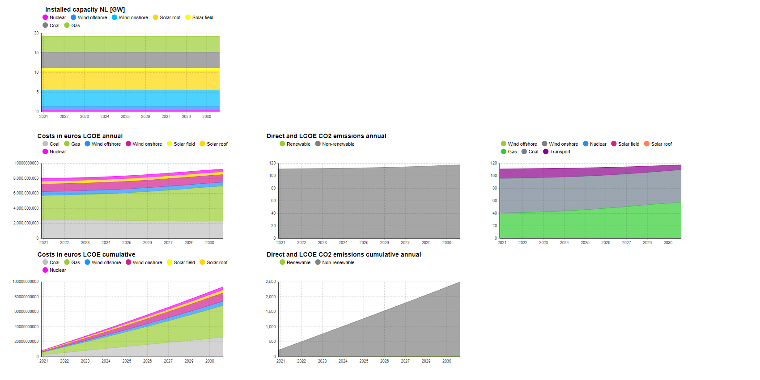
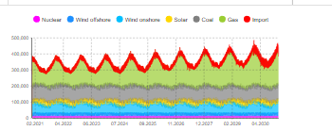
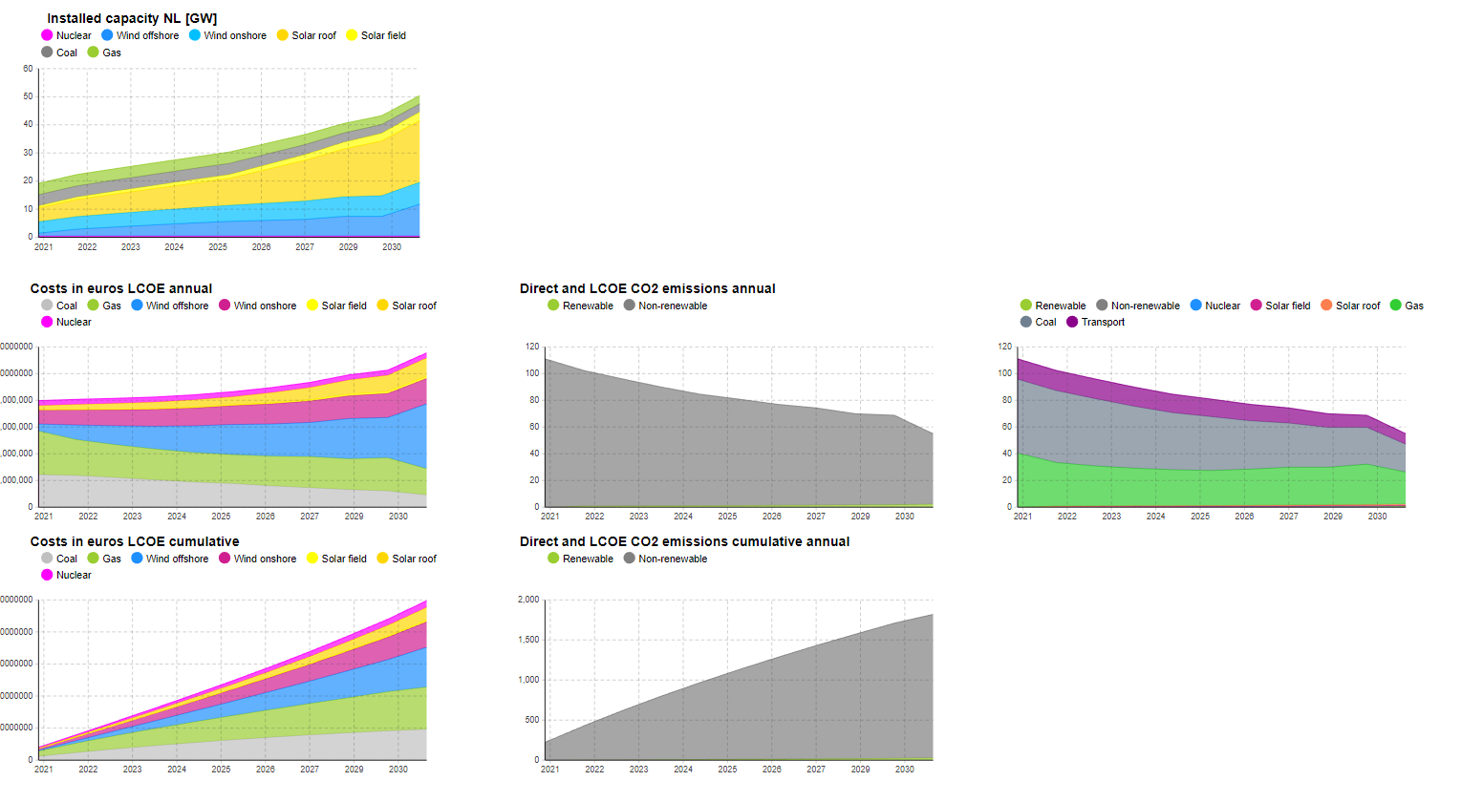
 |  | Climate agreement | No batteries
Capacity factors
CA 2020
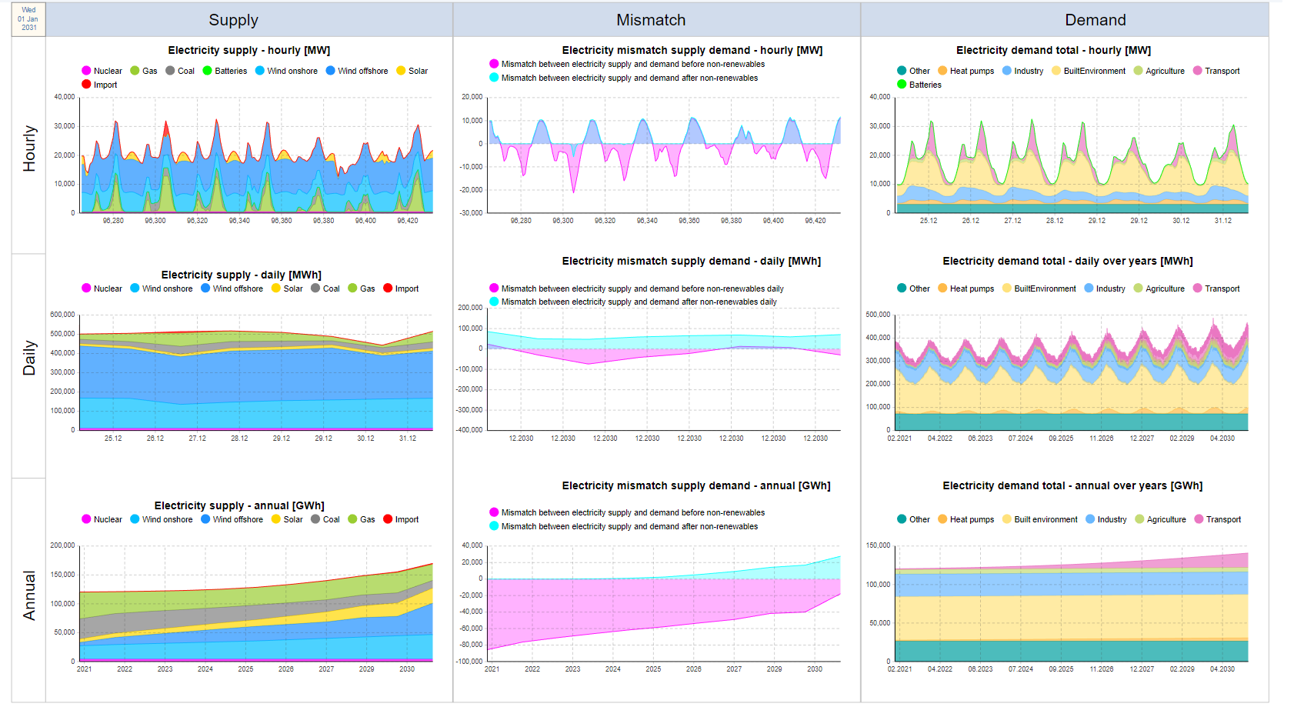
Onshore wind | 0.642
Offshore wind | 0.682
Solar field panels | 0.119
Solar roof panels | 0.119

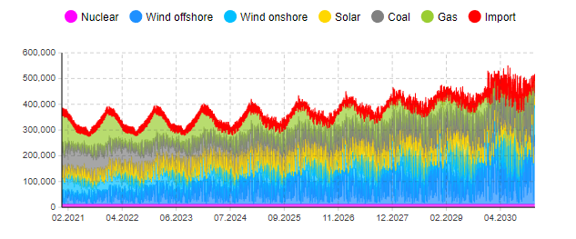

 |  | D66 no batteries
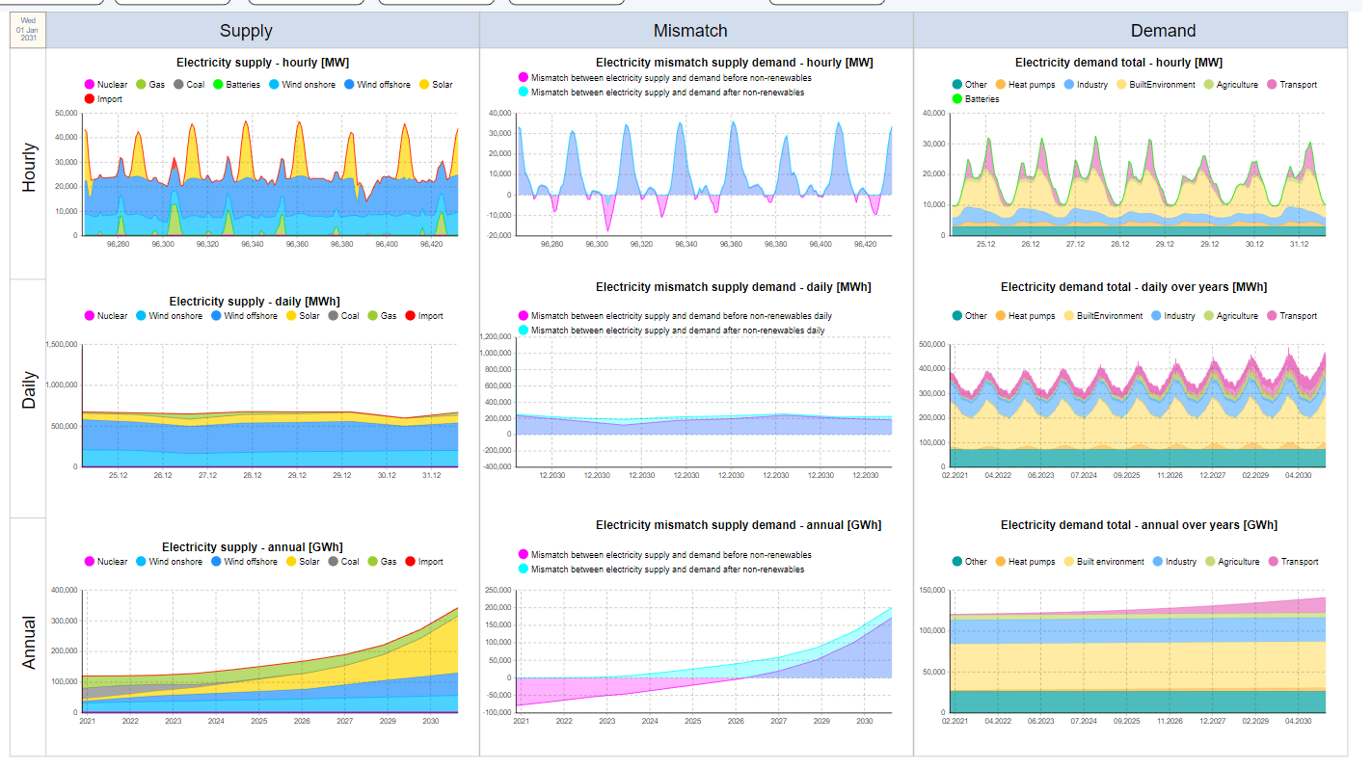
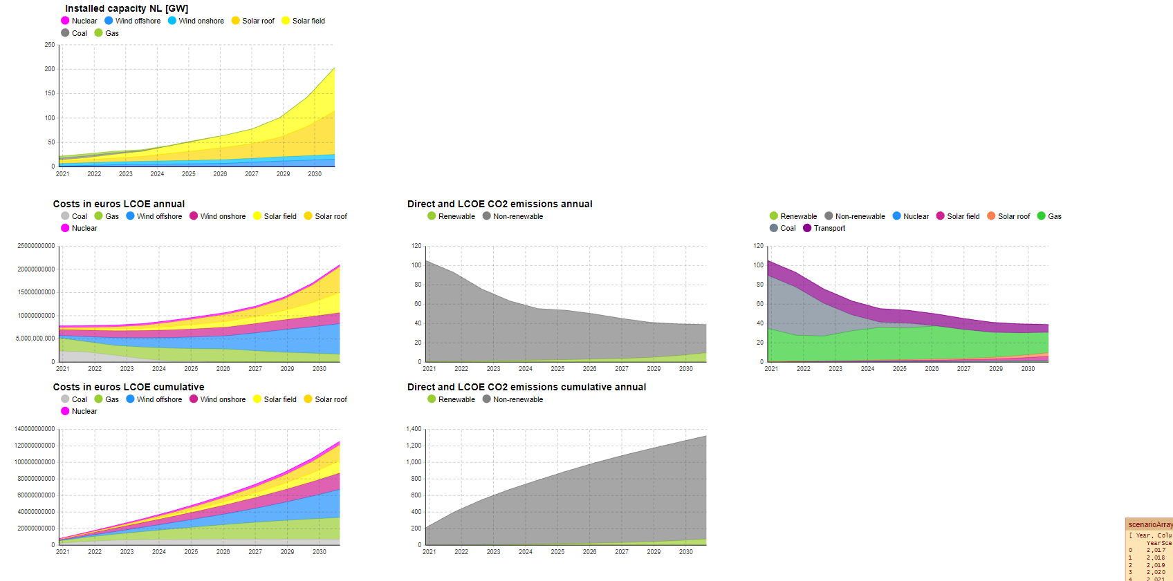

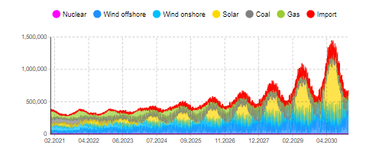

 |  | GroenLinks No batteries

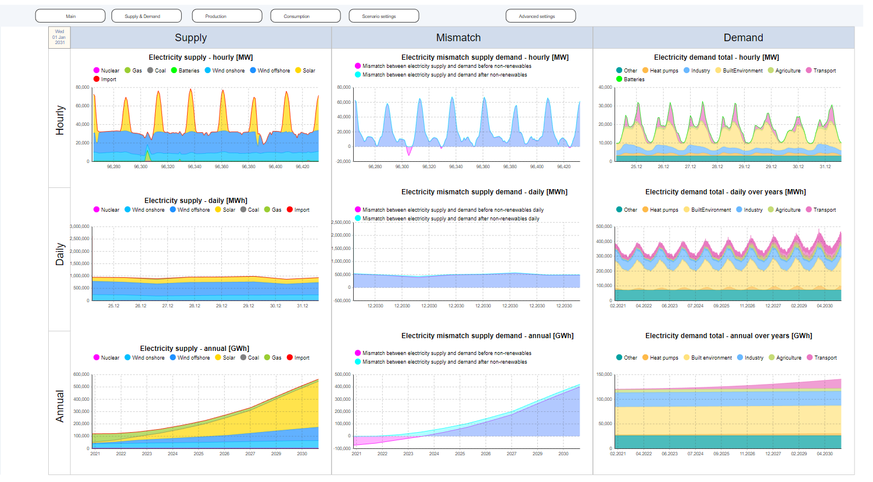
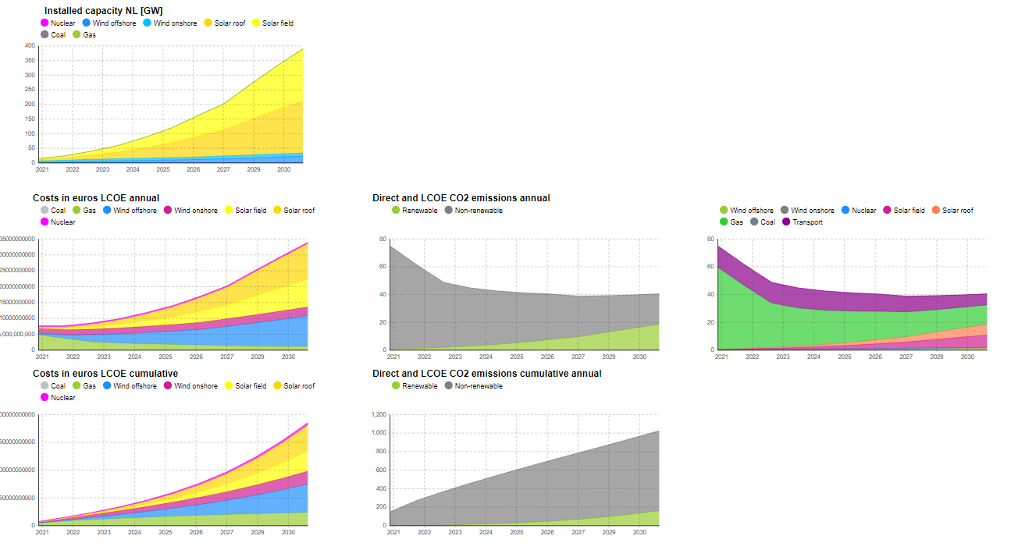

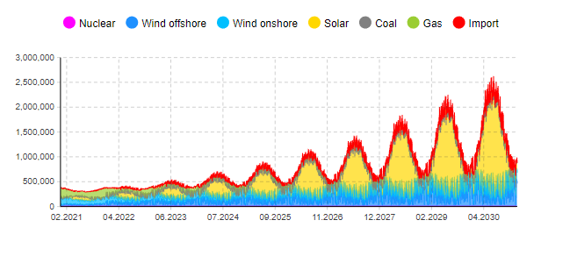

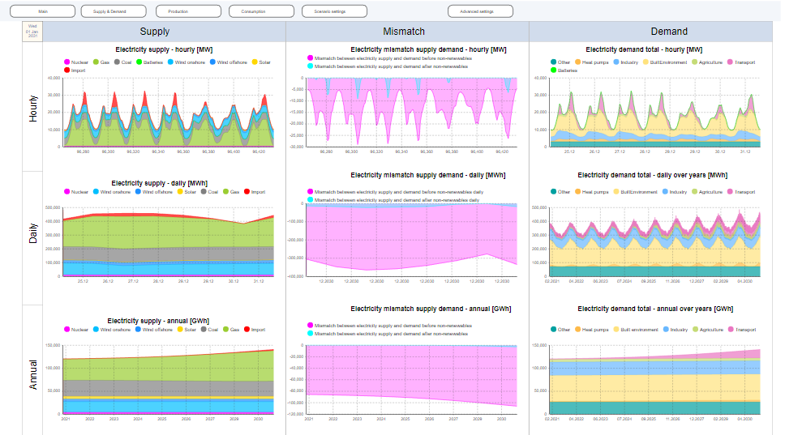
 |  | PVV

